Bar & Column Charts
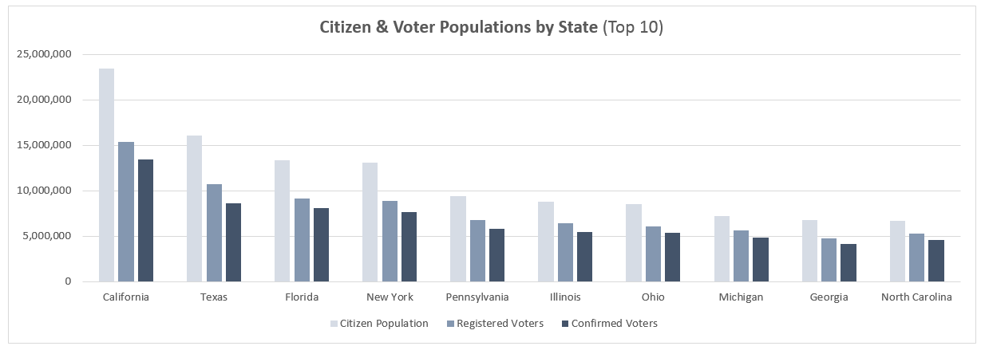
State | Citizen Population | Registered Voters | Confirmed Voters | 1) Create a Clustered Column chart to show Citizen Population, Registered Voters and Confirmed Voters by state, for the Top 10 states by population.
California | 23,418,000 | 15,356,000 | 13,463,000
Texas | 16,062,000 | 10,750,000 | 8,643,000
Florida | 13,326,000 | 9,102,000 | 8,107,000
New York | 13,081,000 | 8,886,000 | 7,676,000
Pennsylvania | 9,451,000 | 6,794,000 | 5,824,000
Illinois | 8,831,000 | 6,424,000 | 5,428,000
Ohio | 8,550,000 | 6,076,000 | 5,395,000
Michigan | 7,228,000 | 5,621,000 | 4,831,000
Georgia | 6,738,000 | 4,766,000 | 4,168,000
North Carolina | 6,711,000 | 5,294,000 | 4,624,000
New Jersey | 5,929,000 | 4,326,000 | 3,670,000
Virginia | 5,646,000 | 4,210,000 | 3,778,000
Washington | 4,833,000 | 3,533,000 | 3,172,000
Massachusetts | 4,773,000 | 3,758,000 | 3,382,000
Indiana | 4,724,000 | 3,270,000 | 2,801,000
Tennessee | 4,678,000 | 3,211,000 | 2,606,000
Missouri | 4,409,000 | 3,383,000 | 2,818,000 | 2) Create Bar Charts to show Citizen Population and Confirmed Voters for the same 10 states
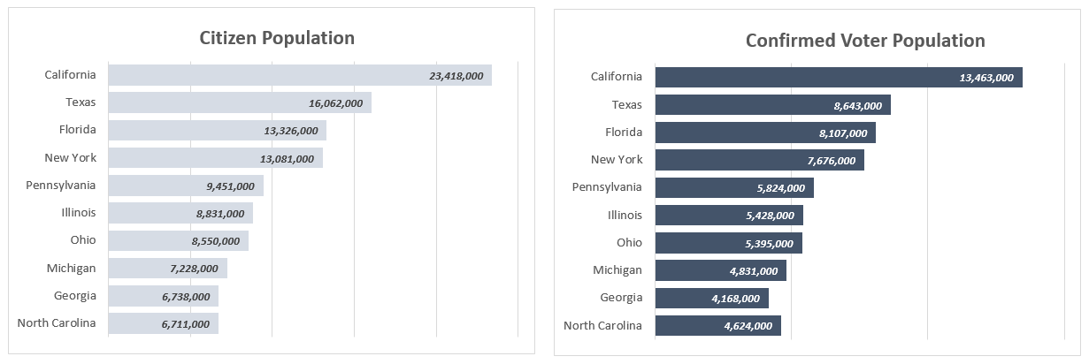
Arizona | 4,315,000 | 2,811,000 | 2,412,000
Wisconsin | 4,247,000 | 3,318,000 | 3,128,000
Maryland | 4,006,000 | 2,888,000 | 2,610,000
Minnesota | 3,903,000 | 3,085,000 | 2,859,000
Colorado | 3,543,000 | 2,635,000 | 2,495,000
Alabama | 3,480,000 | 2,555,000 | 2,154,000
South Carolina | 3,381,000 | 2,479,000 | 2,187,000
Louisiana | 3,239,000 | 2,498,000 | 2,149,000
Kentucky | 3,193,000 | 2,303,000 | 1,895,000
Oregon | 2,807,000 | 2,086,000 | 1,897,000
Oklahoma | 2,734,000 | 1,805,000 | 1,431,000
Connecticut | 2,500,000 | 1,761,000 | 1,569,000
Iowa | 2,232,000 | 1,745,000 | 1,548,000
Mississippi | 2,130,000 | 1,795,000 | 1,588,000
Arkansas | 2,110,000 | 1,376,000 | 1,124,000
Kansas | 1,974,000 | 1,467,000 | 1,249,000
Nevada | 1,808,000 | 1,175,000 | 1,048,000
Utah | 1,793,000 | 1,137,000 | 1,022,000
West Virginia | 1,443,000 | 983,000 | 689,000
New Mexico | 1,426,000 | 979,000 | 878,000
Nebraska | 1,297,000 | 901,000 | 799,000
Idaho | 1,064,000 | 744,000 | 680,000
Maine | 1,020,000 | 787,000 | 699,000
New Hampshire | 992,000 | 752,000 | 688,000
Hawaii | 930,000 | 547,000 | 481,000
Montana | 754,000 | 553,000 | 495,000
Rhode Island | 751,000 | 552,000 | 469,000
Delaware | 642,000 | 469,000 | 430,000
South Dakota | 606,000 | 454,000 | 371,000
North Dakota | 515,000 | 384,000 | 328,000
Alaska | 495,000 | 360,000 | 289,000
Vermont | 487,000 | 356,000 | 307,000
District Of Columbia | 461,000 | 385,000 | 351,000
Wyoming | 419,000 | 268,000 | 247,000

Line Charts
Date | Max Temp (F) | Mean Temp (F) | Min Temp (F) | Mean Wind Speed (MPH) | Precipitation (in) | 1) Insert a Line Chart to show Mean Temp (F) by day for the entire data sample, and add a Polynomial Trendline (Order = 2). How does the mean temperature change over the course of the year?
2016-01-01 | 41 | 39 | 33 | 32 | 0
2016-01-02 | 40 | 35 | 31 | 28 | 0 | 2) Create a second Line Chart to show Mean Wind Speed (MPH) by day for the entire data sample, and add a Polynomial Trendline (Order = 2). How does the mean wind speed change over the course of the year?
2016-01-03 | 44 | 36 | 31 | 28 | 0
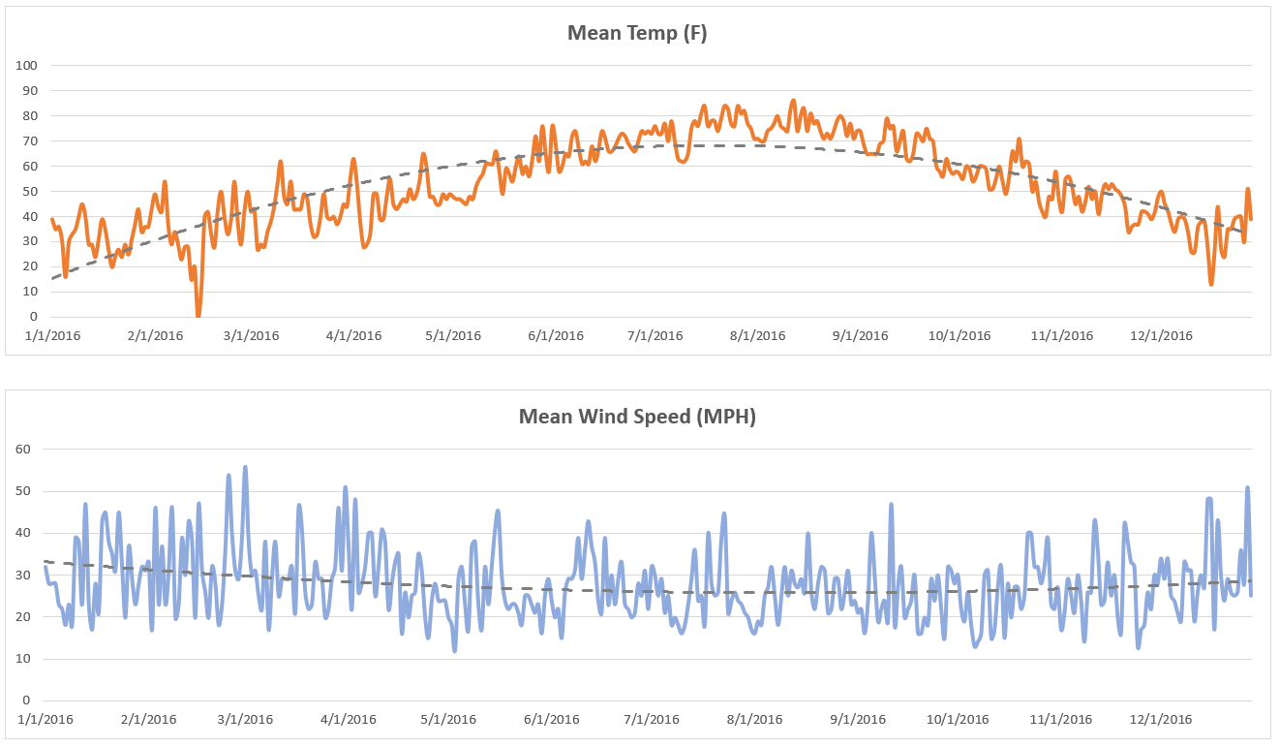
2016-01-04 | 36 | 30 | 14 | 28 | 0
2016-01-05 | 26 | 16 | 8 | 23 | 0
2016-01-06 | 45 | 30 | 21 | 21.9 | 0
2016-01-07 | 43 | 33 | 26 | 18.1 | 0
2016-01-08 | 42 | 35 | 30 | 23 | 0
2016-01-09 | 41 | 40 | 38 | 18.1 | 0.01
2016-01-10 | 58 | 45 | 38 | 38.9 | 1.38
2016-01-11 | 51 | 40 | 25 | 38 | 0
2016-01-12 | 37 | 29 | 21 | 23 | 0.08
2016-01-13 | 33 | 29 | 21 | 47 | 0
2016-01-14 | 30 | 24 | 21 | 23 | 0
2016-01-15 | 42 | 31 | 26 | 17 | 0
2016-01-16 | 43 | 39 | 34 | 28 | 1.22
2016-01-17 | 38 | 35 | 29 | 21 | 0.1
2016-01-18 | 29 | 27 | 19 | 42.9 | 0.11
2016-01-19 | 25 | 20 | 16 | 45 | 0
2016-01-20 | 33 | 24 | 19 | 38 | 0
2016-01-21 | 33 | 27 | 21 | 35.1 | 0
2016-01-22 | 32 | 24 | 19 | 31.1 | 0
2016-01-23 | 32 | 29 | 20 | 45 | 0.37
2016-01-24 | 36 | 25 | 18 | 32 | 0
2016-01-25 | 35 | 31 | 26 | 19.9 | 0
2016-01-26 | 51 | 37 | 28 | 36.9 | 0
2016-01-27 | 45 | 43 | 31 | 29.1 | 0
2016-01-28 | 42 | 34 | 26 | 23 | 0
2016-01-29 | 41 | 36 | 33 | 28 | 0
2016-01-30 | 43 | 36 | 30 | 32 | 0
2016-01-31 | 57 | 43 | 38 | 31.1 | 0
2016-02-01 | 65 | 49 | 39 | 33.1 | 0
2016-02-02 | 50 | 44 | 36 | 17 | 0
2016-02-03 | 57 | 42 | 35 | 46.1 | 0.33
2016-02-04 | 56 | 54 | 43 | 23 | 0.01
2016-02-05 | 43 | 37 | 25 | 36.9 | 0.96
2016-02-06 | 35 | 29 | 24 | 23 | 0
2016-02-07 | 44 | 34 | 29 | 31.1 | 0
2016-02-08 | 38 | 29 | 18 | 46.1 | 0.53
2016-02-09 | 29 | 23 | 20 | 19.9 | 0
2016-02-10 | 36 | 28 | 20 | 23 | 0
2016-02-11 | 31 | 28 | 11 | 38.9 | 0.01
2016-02-12 | 24 | 15 | 8 | 30 | 0
2016-02-13 | 24 | 20 | -4 | 42.9 | 0
2016-02-14 | 12 | 0 | -9 | 38 | 0
2016-02-15 | 35 | 11 | 4 | 19.9 | 0.26
2016-02-16 | 54 | 40 | 31 | 47 | 0.66
2016-02-17 | 46 | 42 | 34 | 31.1 | 0
2016-02-18 | 35 | 33 | 24 | 25.9 | 0
2016-02-19 | 37 | 28 | 20 | 19.9 | 0
2016-02-20 | 60 | 43 | 33 | 32 | 0.01
2016-02-21 | 54 | 50 | 42 | 28 | 0
2016-02-22 | 43 | 40 | 30 | 18.1 | 0
2016-02-23 | 39 | 33 | 26 | 23 | 0
2016-02-24 | 57 | 39 | 38 | 36 | 0.59
2016-02-25 | 62 | 54 | 41 | 53.9 | 0.81
2016-02-26 | 41 | 38 | 26 | 40 | 0
2016-02-27 | 39 | 29 | 21 | 31.1 | 0
2016-02-28 | 58 | 42 | 36 | 29.1 | 0
2016-02-29 | 64 | 50 | 43 | 38.9 | 0
2016-03-01 | 49 | 42 | 34 | 55.9 | 0
2016-03-02 | 53 | 43 | 25 | 38 | 0.37
2016-03-03 | 34 | 27 | 21 | 30 | 0
2016-03-04 | 31 | 29 | 26 | 31.1 | 0.01
2016-03-05 | 34 | 28 | 23 | 25.1 | 0
2016-03-06 | 42 | 34 | 30 | 21.9 | 0
2016-03-07 | 51 | 38 | 30 | 38 | 0
2016-03-08 | 48 | 44 | 36 | 17 | 0
2016-03-09 | 77 | 53 | 40 | 29.1 | 0
2016-03-10 | 66 | 62 | 47 | 38 | 0.4
2016-03-11 | 50 | 48 | 41 | 25.1 | 0.09
2016-03-12 | 60 | 45 | 36 | 29.1 | 0
2016-03-13 | 63 | 54 | 45 | 29.1 | 0
2016-03-14 | 45 | 43 | 39 | 29.1 | 0.21
2016-03-15 | 45 | 43 | 41 | 32 | 1.14
2016-03-16 | 48 | 43 | 41 | 21 | 0.03
2016-03-17 | 64 | 49 | 43 | 46.1 | 0.07
2016-03-18 | 52 | 47 | 35 | 40.9 | 0.03
2016-03-19 | 45 | 37 | 29 | 25.9 | 0
2016-03-20 | 35 | 32 | 26 | 21.9 | 0.02
2016-03-21 | 44 | 33 | 28 | 23 | 0.22
2016-03-22 | 49 | 40 | 33 | 33.1 | 0
2016-03-23 | 63 | 49 | 42 | 29.1 | 0
2016-03-24 | 43 | 40 | 36 | 29.1 | 0
2016-03-25 | 46 | 39 | 37 | 19.9 | 0.16
2016-03-26 | 43 | 40 | 34 | 21.9 | 0
2016-03-27 | 42 | 37 | 34 | 29.1 | 0
2016-03-28 | 47 | 40 | 38 | 32 | 0.41
2016-03-29 | 51 | 45 | 38 | 46.1 | 0
2016-03-30 | 59 | 44 | 34 | 31.1 | 0
2016-03-31 | 71 | 55 | 43 | 51 | 0
2016-04-01 | 69 | 63 | 59 | 36.9 | 0.05
2016-04-02 | 59 | 53 | 42 | 21.9 | 0.32
2016-04-03 | 43 | 38 | 29 | 48.1 | 0.49
2016-04-04 | 30 | 28 | 24 | 25.9 | 0.41
2016-04-05 | 37 | 29 | 22 | 28 | 0
2016-04-06 | 42 | 33 | 25 | 32 | 0
2016-04-07 | 58 | 49 | 42 | 40 | 1.03
2016-04-08 | 53 | 49 | 37 | 40 | 0
2016-04-09 | 46 | 39 | 32 | 25.1 | 0
2016-04-10 | 49 | 39 | 31 | 32 | 0
2016-04-11 | 60 | 48 | 42 | 40.9 | 0.01
2016-04-12 | 60 | 55 | 43 | 38 | 0.22
2016-04-13 | 50 | 45 | 38 | 21.9 | 0
2016-04-14 | 49 | 43 | 38 | 28 | 0
2016-04-15 | 54 | 45 | 38 | 33.1 | 0
2016-04-16 | 54 | 47 | 41 | 35.1 | 0
2016-04-17 | 54 | 46 | 39 | 16.1 | 0
2016-04-18 | 67 | 51 | 42 | 25.9 | 0
2016-04-19 | 54 | 47 | 44 | 19.9 | 0.02
2016-04-20 | 51 | 49 | 44 | 25.1 | 0
2016-04-21 | 77 | 55 | 43 | 25.9 | 0
2016-04-22 | 78 | 65 | 58 | 35.1 | 0
2016-04-23 | 64 | 60 | 48 | 31.1 | 0.09
2016-04-24 | 50 | 48 | 42 | 19.9 | 0
2016-04-25 | 57 | 48 | 44 | 15 | 0
2016-04-26 | 51 | 45 | 37 | 23.9 | 0.27
2016-04-27 | 62 | 45 | 37 | 28 | 0
2016-04-28 | 54 | 49 | 41 | 23.9 | 0
2016-04-29 | 51 | 47 | 43 | 23.9 | 0
2016-04-30 | 55 | 49 | 41 | 23.9 | 0
2016-05-01 | 53 | 48 | 43 | 19.9 | 0.1
2016-05-02 | 51 | 47 | 43 | 18.1 | 0.39
2016-05-03 | 49 | 47 | 45 | 12.1 | 0.1
2016-05-04 | 50 | 46 | 43 | 29.1 | 0.48
2016-05-05 | 47 | 45 | 44 | 32 | 0.15
2016-05-06 | 53 | 48 | 46 | 23 | 0.09
2016-05-07 | 51 | 47 | 46 | 17 | 0
2016-05-08 | 63 | 52 | 46 | 36.9 | 0.02
2016-05-09 | 66 | 55 | 46 | 38 | 0
2016-05-10 | 71 | 57 | 47 | 23 | 0
2016-05-11 | 68 | 61 | 54 | 17 | 0
2016-05-12 | 66 | 61 | 54 | 32 | 0
2016-05-13 | 74 | 61 | 52 | 23 | 0.11
2016-05-14 | 77 | 66 | 59 | 32 | 0
2016-05-15 | 61 | 58 | 45 | 40.9 | 0
2016-05-16 | 59 | 49 | 42 | 45 | 0
2016-05-17 | 70 | 59 | 50 | 30 | 0
2016-05-18 | 59 | 57 | 49 | 23.9 | 0
2016-05-19 | 60 | 54 | 50 | 21.9 | 0
2016-05-20 | 71 | 60 | 51 | 23 | 0
2016-05-21 | 76 | 64 | 53 | 23 | 0
2016-05-22 | 62 | 57 | 52 | 21 | 0
2016-05-23 | 73 | 60 | 51 | 18.1 | 0
2016-05-24 | 59 | 56 | 52 | 25.1 | 0.26
2016-05-25 | 88 | 63 | 53 | 25.1 | 0
2016-05-26 | 79 | 72 | 58 | 23 | 0
2016-05-27 | 73 | 62 | 58 | 21 | 0
2016-05-28 | 92 | 76 | 67 | 23 | 0
2016-05-29 | 77 | 65 | 53 | 16.1 | 0
2016-05-30 | 76 | 58 | 52 | 25.1 | 1.13
2016-05-31 | 87 | 76 | 68 | 29.1 | 0
2016-06-01 | 73 | 69 | 57 | 23.9 | 0
2016-06-02 | 62 | 58 | 56 | 19.9 | 0
2016-06-03 | 70 | 60 | 57 | 21.9 | 0
2016-06-04 | 70 | 65 | 61 | 15 | 0
2016-06-05 | 68 | 64 | 60 | 25.9 | 0.91
2016-06-06 | 84 | 72 | 65 | 29.1 | 0
2016-06-07 | 86 | 74 | 63 | 29.1 | 0.15
2016-06-08 | 74 | 67 | 57 | 31.1 | 0
2016-06-09 | 69 | 61 | 54 | 38.9 | 0
2016-06-10 | 72 | 62 | 55 | 29.1 | 0
2016-06-11 | 68 | 61 | 54 | 36 | 0.02
2016-06-12 | 80 | 68 | 55 | 42.9 | 0
2016-06-13 | 73 | 62 | 54 | 36.9 | 0
2016-06-14 | 79 | 67 | 55 | 33.1 | 0
2016-06-15 | 85 | 74 | 66 | 23.9 | 0
2016-06-16 | 77 | 71 | 61 | 21 | 0
2016-06-17 | 74 | 66 | 59 | 38.9 | 0.12
2016-06-18 | 72 | 66 | 60 | 23 | 0
2016-06-19 | 82 | 68 | 57 | 30 | 0
2016-06-20 | 83 | 71 | 60 | 23 | 0
2016-06-21 | 87 | 73 | 64 | 29.1 | 0.02
2016-06-22 | 78 | 72 | 64 | 33.1 | 0
2016-06-23 | 77 | 69 | 60 | 23 | 0
2016-06-24 | 72 | 67 | 61 | 21.9 | 0
2016-06-25 | 73 | 66 | 59 | 19.9 | 0
2016-06-26 | 84 | 70 | 59 | 21 | 0
2016-06-27 | 86 | 74 | 64 | 28 | 0
2016-06-28 | 79 | 73 | 68 | 25.1 | 0.08
2016-06-29 | 87 | 74 | 67 | 31.1 | 0.03
2016-06-30 | 81 | 73 | 68 | 21.9 | 0
2016-07-01 | 86 | 76 | 68 | 32 | 0.2
2016-07-02 | 80 | 73 | 65 | 30 | 0
2016-07-03 | 84 | 73 | 64 | 25.1 | 0
2016-07-04 | 88 | 77 | 66 | 29.1 | 0
2016-07-05 | 76 | 70 | 64 | 21 | 0.23
2016-07-06 | 94 | 78 | 71 | 25.1 | 0
2016-07-07 | 79 | 70 | 61 | 18.1 | 0
2016-07-08 | 67 | 63 | 61 | 19.9 | 0.02
2016-07-09 | 65 | 62 | 59 | 18.1 | 0.11
2016-07-10 | 64 | 62 | 59 | 16.1 | 0.09
2016-07-11 | 72 | 65 | 59 | 18.1 | 0
2016-07-12 | 88 | 75 | 65 | 23 | 0
2016-07-13 | 92 | 78 | 65 | 29.1 | 0
2016-07-14 | 87 | 76 | 69 | 36 | 0
2016-07-15 | 96 | 81 | 72 | 23.9 | 0
2016-07-16 | 94 | 84 | 75 | 25.1 | 0
2016-07-17 | 79 | 76 | 68 | 18.1 | 0
2016-07-18 | 95 | 78 | 67 | 40 | 0.01
2016-07-19 | 84 | 78 | 68 | 28 | 0
2016-07-20 | 84 | 74 | 65 | 25.1 | 0
2016-07-21 | 91 | 79 | 67 | 25.9 | 0
2016-07-22 | 98 | 84 | 73 | 38.9 | 0
2016-07-23 | 94 | 83 | 72 | 44.1 | 0
2016-07-24 | 91 | 77 | 68 | 21 | 0
2016-07-25 | 92 | 76 | 67 | 23.9 | 0
2016-07-26 | 94 | 84 | 76 | 25.9 | 0
2016-07-27 | 87 | 81 | 73 | 23.9 | 0
2016-07-28 | 92 | 82 | 73 | 23 | 0
2016-07-29 | 79 | 77 | 72 | 21 | 0.06
2016-07-30 | 80 | 75 | 71 | 19.9 | 0
2016-07-31 | 74 | 71 | 68 | 17 | 0.15
2016-08-01 | 75 | 71 | 69 | 16.1 | 0
2016-08-02 | 74 | 70 | 65 | 19 | 0.04
2016-08-03 | 79 | 70 | 62 | 18.1 | 0
2016-08-04 | 82 | 74 | 64 | 25.1 | 0
2016-08-05 | 89 | 75 | 64 | 27.1 | 0
2016-08-06 | 89 | 77 | 70 | 32 | 0.02
2016-08-07 | 89 | 80 | 72 | 25.1 | 0
2016-08-08 | 82 | 76 | 69 | 18.1 | 0
2016-08-09 | 84 | 75 | 70 | 25.1 | 0
2016-08-10 | 80 | 74 | 68 | 32 | 0.23
2016-08-11 | 96 | 83 | 75 | 25.1 | 0
2016-08-12 | 98 | 86 | 78 | 31.1 | 0.01
2016-08-13 | 82 | 74 | 68 | 28 | 0.34
2016-08-14 | 96 | 80 | 69 | 27.1 | 0.18
2016-08-15 | 90 | 83 | 73 | 29.1 | 0
2016-08-16 | 81 | 74 | 69 | 25.9 | 0
2016-08-17 | 85 | 81 | 72 | 40 | 0
2016-08-18 | 90 | 77 | 69 | 25.9 | 0
2016-08-19 | 81 | 78 | 67 | 21.9 | 0
2016-08-20 | 86 | 74 | 66 | 28 | 0
2016-08-21 | 78 | 71 | 65 | 32 | 0.01
2016-08-22 | 80 | 73 | 65 | 31.1 | 0.89
2016-08-23 | 82 | 71 | 61 | 21 | 0
2016-08-24 | 88 | 74 | 65 | 21.9 | 0
2016-08-25 | 88 | 78 | 68 | 29.1 | 0
2016-08-26 | 91 | 80 | 73 | 29.1 | 0
2016-08-27 | 83 | 78 | 69 | 21.9 | 0
2016-08-28 | 78 | 72 | 66 | 25.9 | 0
2016-08-29 | 90 | 77 | 69 | 31.1 | 0
2016-08-30 | 77 | 71 | 64 | 23 | 0
2016-08-31 | 82 | 74 | 68 | 23.9 | 0
2016-09-01 | 76 | 74 | 68 | 21 | 0.02
2016-09-02 | 75 | 69 | 64 | 21.9 | 0
2016-09-03 | 70 | 65 | 60 | 16.1 | 0
2016-09-04 | 72 | 65 | 60 | 23.9 | 0
2016-09-05 | 74 | 65 | 60 | 40 | 0.07
2016-09-06 | 72 | 65 | 63 | 30 | 0.14
2016-09-07 | 76 | 69 | 65 | 19 | 0.03
2016-09-08 | 76 | 70 | 66 | 21.9 | 0
2016-09-09 | 93 | 79 | 73 | 23.9 | 0
2016-09-10 | 78 | 75 | 70 | 19 | 0.01
2016-09-11 | 83 | 76 | 63 | 47 | 0.03
2016-09-12 | 72 | 66 | 59 | 18.1 | 0
2016-09-13 | 83 | 70 | 60 | 27.1 | 0
2016-09-14 | 90 | 74 | 62 | 32 | 0.06
2016-09-15 | 66 | 63 | 57 | 19.9 | 0
2016-09-16 | 70 | 62 | 54 | 21.9 | 0
2016-09-17 | 78 | 65 | 55 | 23.9 | 0
2016-09-18 | 82 | 73 | 66 | 30 | 0
2016-09-19 | 74 | 72 | 67 | 16.1 | 0.33
2016-09-20 | 75 | 70 | 67 | 16.1 | 0
2016-09-21 | 83 | 75 | 69 | 19.9 | 0
2016-09-22 | 79 | 71 | 61 | 18.1 | 0
2016-09-23 | 82 | 70 | 56 | 29.1 | 0.34
2016-09-24 | 67 | 60 | 54 | 23.9 | 0
2016-09-25 | 66 | 58 | 49 | 30 | 0
2016-09-26 | 64 | 56 | 48 | 21.9 | 0
2016-09-27 | 72 | 63 | 59 | 15 | 0.22
2016-09-28 | 61 | 59 | 56 | 32 | 0
2016-09-29 | 60 | 57 | 54 | 31.1 | 0
2016-09-30 | 62 | 58 | 56 | 28 | 0.13
2016-10-01 | 59 | 57 | 54 | 30 | 0.71
2016-10-02 | 57 | 55 | 53 | 21.9 | 0.03
2016-10-03 | 68 | 60 | 55 | 19 | 0
2016-10-04 | 63 | 59 | 50 | 25.9 | 0
2016-10-05 | 60 | 54 | 48 | 18.1 | 0
2016-10-06 | 67 | 56 | 49 | 13 | 0
2016-10-07 | 68 | 60 | 53 | 14.1 | 0
2016-10-08 | 68 | 60 | 52 | 16.1 | 0.01
2016-10-09 | 65 | 59 | 48 | 30 | 1.84
2016-10-10 | 59 | 51 | 45 | 31.1 | 0
2016-10-11 | 59 | 51 | 44 | 15 | 0
2016-10-12 | 62 | 55 | 48 | 17 | 0
2016-10-13 | 72 | 60 | 51 | 27.1 | 0
2016-10-14 | 60 | 54 | 46 | 32 | 0
2016-10-15 | 56 | 49 | 42 | 15 | 0
2016-10-16 | 71 | 56 | 46 | 28 | 0
2016-10-17 | 75 | 66 | 62 | 19.9 | 0
2016-10-18 | 69 | 62 | 57 | 27.1 | 0.14
2016-10-19 | 81 | 71 | 62 | 27.1 | 0
2016-10-20 | 62 | 60 | 56 | 21.9 | 0.08
2016-10-21 | 75 | 62 | 59 | 25.1 | 1.11
2016-10-22 | 65 | 61 | 44 | 40 | 0.15
2016-10-23 | 58 | 50 | 44 | 40 | 0
2016-10-24 | 61 | 54 | 46 | 32 | 0
2016-10-25 | 49 | 46 | 39 | 32 | 0
2016-10-26 | 49 | 42 | 37 | 28 | 0
2016-10-27 | 49 | 40 | 34 | 32 | 0.65
2016-10-28 | 55 | 48 | 44 | 38.9 | 0.61
2016-10-29 | 57 | 47 | 42 | 23 | 0
2016-10-30 | 65 | 58 | 46 | 21.9 | 0.13
2016-10-31 | 52 | 47 | 38 | 27.1 | 0
2016-11-01 | 51 | 42 | 34 | 17 | 0
2016-11-02 | 70 | 55 | 45 | 21 | 0
2016-11-03 | 64 | 56 | 51 | 29.1 | 0.08
2016-11-04 | 57 | 52 | 39 | 25.1 | 0
2016-11-05 | 57 | 45 | 35 | 21 | 0
2016-11-06 | 52 | 48 | 43 | 30 | 0.09
2016-11-07 | 47 | 42 | 36 | 23.9 | 0
2016-11-08 | 59 | 46 | 38 | 14.1 | 0
2016-11-09 | 62 | 52 | 44 | 25.9 | 0.01
2016-11-10 | 53 | 47 | 39 | 25.9 | 0
2016-11-11 | 60 | 50 | 38 | 42.9 | 0
2016-11-12 | 48 | 41 | 34 | 36 | 0
2016-11-13 | 60 | 49 | 41 | 23 | 0
2016-11-14 | 66 | 53 | 39 | 23.9 | 0
2016-11-15 | 58 | 51 | 46 | 33.1 | 0.99
2016-11-16 | 55 | 53 | 51 | 25.1 | 0.03
2016-11-17 | 57 | 51 | 45 | 30 | 0
2016-11-18 | 63 | 50 | 43 | 19.9 | 0
2016-11-19 | 51 | 48 | 43 | 16.1 | 0
2016-11-20 | 49 | 44 | 32 | 42.1 | 0.08
2016-11-21 | 38 | 34 | 30 | 38 | 0
2016-11-22 | 43 | 36 | 32 | 33.1 | 0
2016-11-23 | 45 | 37 | 33 | 32 | 0
2016-11-24 | 44 | 37 | 33 | 13 | 0.05
2016-11-25 | 48 | 42 | 39 | 17 | 0.03
2016-11-26 | 47 | 42 | 38 | 18.1 | 0
2016-11-27 | 46 | 41 | 36 | 25.9 | 0
2016-11-28 | 46 | 39 | 33 | 21.9 | 0
2016-11-29 | 58 | 42 | 33 | 30 | 0.43
2016-11-30 | 52 | 48 | 42 | 28 | 0.91
2016-12-01 | 57 | 50 | 43 | 34 | 0.31
2016-12-02 | 51 | 45 | 38 | 29.1 | 0
2016-12-03 | 44 | 42 | 35 | 34 | 0
2016-12-04 | 42 | 37 | 31 | 25.1 | 0
2016-12-05 | 40 | 34 | 31 | 23.9 | 0.14
2016-12-06 | 44 | 39 | 34 | 21 | 0
2016-12-07 | 42 | 40 | 36 | 19 | 0.08
2016-12-08 | 43 | 39 | 34 | 33.1 | 0
2016-12-09 | 37 | 34 | 25 | 31.1 | 0
2016-12-10 | 29 | 26 | 21 | 31.1 | 0
2016-12-11 | 35 | 26 | 20 | 19 | 0.02
2016-12-12 | 44 | 36 | 29 | 25.9 | 0.42
2016-12-13 | 43 | 38 | 35 | 30 | 0
2016-12-14 | 42 | 38 | 27 | 27.1 | 0
2016-12-15 | 32 | 27 | 14 | 48.1 | 0
2016-12-16 | 21 | 13 | 4 | 48.1 | 0
2016-12-17 | 36 | 26 | 21 | 17 | 0.53
2016-12-18 | 57 | 44 | 33 | 42.9 | 0.11
2016-12-19 | 33 | 27 | 19 | 30 | 0
2016-12-20 | 34 | 24 | 18 | 23.9 | 0
2016-12-21 | 45 | 35 | 29 | 29.1 | 0
2016-12-22 | 39 | 35 | 31 | 25.9 | 0.02
2016-12-23 | 46 | 39 | 35 | 25.1 | 0
2016-12-24 | 45 | 40 | 35 | 25.9 | 0.38
2016-12-25 | 45 | 40 | 27 | 36 | 0
2016-12-26 | 48 | 30 | 24 | 28 | 0.01
2016-12-27 | 58 | 51 | 39 | 51 | 0
2016-12-28 | 42 | 39 | 32 | 25.1 | 0

Area Charts
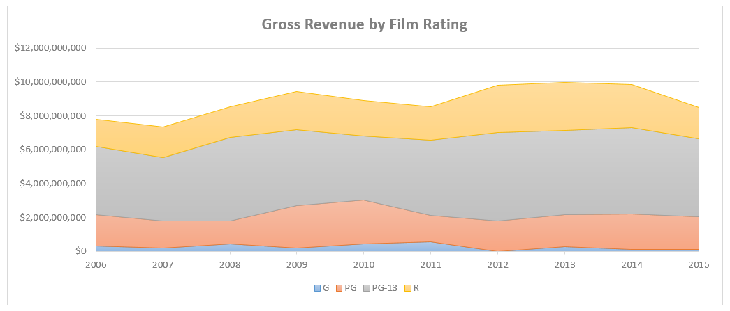
 | 2006 | 2007 | 2008 | 2009 | 2010 | 2011 | 2012 | 2013 | 2014 | 2015
G | $309,772,329 | $206,435,493 | $440,726,872 | $205,236,906 | $441,145,903 | $567,861,302 | $1,064,277 | $268,488,329 | $131,636,259 | $130,174,897
PG | $1,853,004,526 | $1,603,712,887 | $1,355,616,783 | $2,478,409,069 | $2,605,091,739 | $1,560,833,002 | $1,780,339,380 | $1,896,802,011 | $2,084,229,860 | $1,902,407,426
PG-13 | $4,014,495,618 | $3,745,965,313 | $4,951,964,512 | $4,495,901,023 | $3,782,173,183 | $4,426,303,302 | $5,232,427,835 | $4,982,221,731 | $5,071,628,533 | $4,621,966,569
R | $1,627,012,898 | $1,778,646,735 | $1,794,073,468 | $2,259,966,273 | $2,098,415,783 | $1,985,984,740 | $2,791,806,493 | $2,811,201,870 | $2,564,427,048 | $1,861,754,486

1) Insert a Stacked Area Chart to show Gross Revenue trending by year, by Rating.

Pie & Donut Charts
Time of Day | # of Posts | Post Engagements | 1) Create Pie Charts to show the # of Posts and Post Engagements by time of day (Morning, Afternoon, Evening & Late Night)
Morning | 16 | 14,546
Afternoon | 79 | 65,007 | 2) Create Donut Charts to show the # of Posts and Post Engagements by post type (Photo, Video, Link & Event)
Late Night | 83 | 65,360
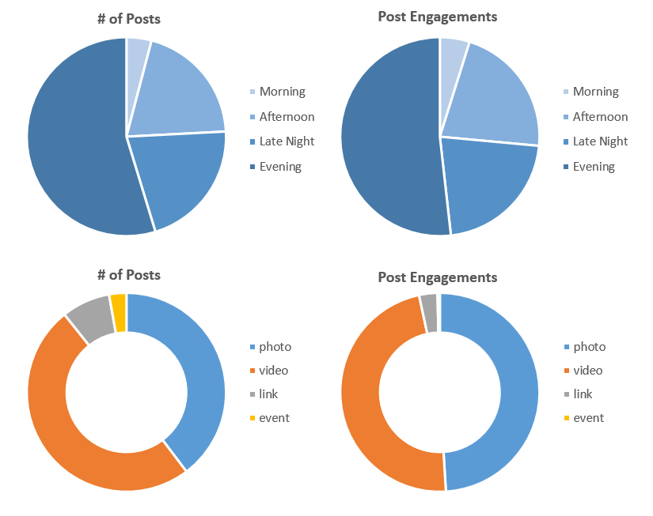
Evening | 215 | 155,601

Post Type | # of Posts | Post Engagements
photo | 156 | 147,354
video | 195 | 143,065
link | 31 | 8,935
event | 11 | 1,160

Scatter Plots
Year | Team | TeamID | League | Division | Homeruns | Runs Scored | Runs Allowed | Run Diff | Rank | Wins | Losses | Salary | 1) Create a Scatter Plot showing Salary on the X-axis and Wins on the Y-axis, and add a Logarithmic Trendline with the R-squared value displayed on the chart.
2000 | Minnesota Twins | MIN | AL | C | 116 | 748 | 880 | -132 | 5 | 69 | 93 | $16,519,500
2000 | Florida Marlins | FLO | NL | E | 160 | 731 | 797 | -66 | 3 | 79 | 82 | $19,872,000 | 2) Duplicate the chart and adjust to show Homeruns on the X-axis instead of Salary. Which metric is more highly correlated with Wins; Salary or Homeruns? (Hint: The higher the R-squared values, the higher the correlation)
2000 | Kansas City Royals | KCA | AL | C | 150 | 879 | 930 | -51 | 4 | 77 | 85 | $23,433,000
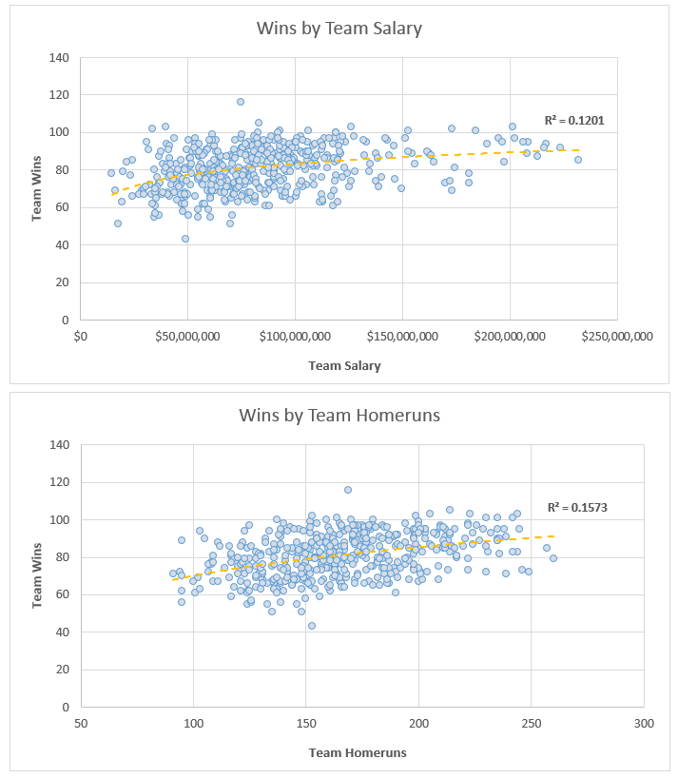
2000 | Pittsburgh Pirates | PIT | NL | C | 168 | 793 | 888 | -95 | 5 | 69 | 93 | $28,928,334
2000 | Chicago White Sox | CHA | AL | C | 216 | 978 | 839 | 139 | 1 | 95 | 67 | $31,133,500
2000 | Oakland Athletics | OAK | AL | W | 239 | 947 | 813 | 134 | 1 | 91 | 70 | $31,971,333
2000 | Montreal Expos | MON | NL | E | 178 | 738 | 902 | -164 | 4 | 67 | 95 | $32,994,333
2000 | Milwaukee Brewers | MIL | NL | C | 177 | 740 | 826 | -86 | 3 | 73 | 89 | $36,505,333
2000 | Toronto Blue Jays | TOR | AL | E | 244 | 861 | 908 | -47 | 3 | 83 | 79 | $44,838,332
2000 | Cincinnati Reds | CIN | NL | C | 200 | 825 | 765 | 60 | 2 | 85 | 77 | $46,867,200
2000 | Philadelphia Phillies | PHI | NL | E | 144 | 708 | 830 | -122 | 5 | 65 | 97 | $47,308,000
2000 | Houston Astros | HOU | NL | C | 249 | 938 | 944 | -6 | 4 | 72 | 90 | $51,289,111
2000 | Anaheim Angels | ANA | AL | W | 236 | 864 | 869 | -5 | 3 | 82 | 80 | $51,464,167
2000 | San Francisco Giants | SFN | NL | W | 226 | 925 | 747 | 178 | 1 | 97 | 65 | $53,737,826
2000 | San Diego Padres | SDN | NL | W | 157 | 752 | 815 | -63 | 5 | 76 | 86 | $54,821,000
2000 | Detroit Tigers | DET | AL | C | 177 | 823 | 827 | -4 | 3 | 79 | 83 | $58,265,167
2000 | Seattle Mariners | SEA | AL | W | 198 | 907 | 780 | 127 | 2 | 91 | 71 | $58,915,000
2000 | Chicago Cubs | CHN | NL | C | 183 | 764 | 904 | -140 | 6 | 65 | 97 | $60,539,333
2000 | Colorado Rockies | COL | NL | W | 161 | 968 | 897 | 71 | 4 | 82 | 80 | $61,111,190
2000 | St. Louis Cardinals | SLN | NL | C | 235 | 887 | 771 | 116 | 1 | 95 | 67 | $61,453,863
2000 | Tampa Bay Devil Rays | TBA | AL | E | 162 | 733 | 842 | -109 | 5 | 69 | 92 | $62,765,129
2000 | Texas Rangers | TEX | AL | W | 173 | 848 | 974 | -126 | 4 | 71 | 91 | $70,795,921
2000 | Cleveland Indians | CLE | AL | C | 221 | 950 | 816 | 134 | 2 | 90 | 72 | $75,880,771
2000 | Boston Red Sox | BOS | AL | E | 167 | 792 | 745 | 47 | 2 | 85 | 77 | $77,940,333
2000 | New York Mets | NYN | NL | E | 198 | 807 | 738 | 69 | 2 | 94 | 68 | $79,509,776
2000 | Arizona Diamondbacks | ARI | NL | W | 179 | 792 | 754 | 38 | 3 | 85 | 77 | $81,027,833
2000 | Baltimore Orioles | BAL | AL | E | 184 | 794 | 913 | -119 | 4 | 74 | 88 | $81,447,435
2000 | Atlanta Braves | ATL | NL | E | 179 | 810 | 714 | 96 | 1 | 95 | 67 | $84,537,836
2000 | Los Angeles Dodgers | LAN | NL | W | 211 | 798 | 729 | 69 | 2 | 86 | 76 | $87,924,286
2000 | New York Yankees | NYA | AL | E | 205 | 871 | 814 | 57 | 1 | 87 | 74 | $92,338,260
2001 | Minnesota Twins | MIN | AL | C | 164 | 771 | 766 | 5 | 2 | 85 | 77 | $24,130,000
2001 | Oakland Athletics | OAK | AL | W | 199 | 884 | 645 | 239 | 2 | 102 | 60 | $33,810,750
2001 | Montreal Expos | MON | NL | E | 131 | 670 | 812 | -142 | 5 | 68 | 94 | $35,159,500
2001 | Kansas City Royals | KCA | AL | C | 152 | 729 | 858 | -129 | 5 | 65 | 97 | $35,422,500
2001 | Florida Marlins | FLO | NL | E | 166 | 742 | 744 | -2 | 4 | 76 | 86 | $35,762,500
2001 | San Diego Padres | SDN | NL | W | 161 | 789 | 812 | -23 | 4 | 79 | 83 | $39,182,833
2001 | Philadelphia Phillies | PHI | NL | E | 164 | 746 | 719 | 27 | 2 | 86 | 76 | $41,663,833
2001 | Milwaukee Brewers | MIL | NL | C | 209 | 740 | 806 | -66 | 4 | 68 | 94 | $43,886,833
2001 | Anaheim Angels | ANA | AL | W | 158 | 691 | 730 | -39 | 3 | 75 | 87 | $47,535,167
2001 | Cincinnati Reds | CIN | NL | C | 176 | 735 | 850 | -115 | 5 | 66 | 96 | $48,986,000
2001 | Detroit Tigers | DET | AL | C | 139 | 724 | 876 | -152 | 4 | 66 | 96 | $53,416,167
2001 | Tampa Bay Devil Rays | TBA | AL | E | 121 | 672 | 887 | -215 | 5 | 62 | 100 | $56,980,000
2001 | Pittsburgh Pirates | PIT | NL | C | 161 | 657 | 858 | -201 | 6 | 62 | 100 | $57,760,833
2001 | Houston Astros | HOU | NL | C | 208 | 847 | 769 | 78 | 1 | 93 | 69 | $60,612,667
2001 | San Francisco Giants | SFN | NL | W | 235 | 799 | 748 | 51 | 2 | 90 | 72 | $63,280,167
2001 | Chicago Cubs | CHN | NL | C | 194 | 777 | 701 | 76 | 3 | 88 | 74 | $64,715,833
2001 | Chicago White Sox | CHA | AL | C | 214 | 798 | 795 | 3 | 3 | 83 | 79 | $65,653,667
2001 | Baltimore Orioles | BAL | AL | E | 136 | 687 | 829 | -142 | 4 | 63 | 98 | $67,599,540
2001 | Colorado Rockies | COL | NL | W | 213 | 923 | 906 | 17 | 5 | 73 | 89 | $71,541,334
2001 | Seattle Mariners | SEA | AL | W | 169 | 927 | 627 | 300 | 1 | 116 | 46 | $74,720,834
2001 | Toronto Blue Jays | TOR | AL | E | 195 | 767 | 753 | 14 | 3 | 80 | 82 | $76,895,999
2001 | St. Louis Cardinals | SLN | NL | C | 199 | 814 | 684 | 130 | 2 | 93 | 69 | $78,538,333
2001 | Arizona Diamondbacks | ARI | NL | W | 208 | 818 | 677 | 141 | 1 | 92 | 70 | $85,082,999
2001 | Texas Rangers | TEX | AL | W | 246 | 890 | 968 | -78 | 4 | 73 | 89 | $88,633,500
2001 | Atlanta Braves | ATL | NL | E | 174 | 729 | 643 | 86 | 1 | 88 | 74 | $91,936,166
2001 | Cleveland Indians | CLE | AL | C | 212 | 897 | 821 | 76 | 1 | 91 | 71 | $93,152,001
2001 | New York Mets | NYN | NL | E | 147 | 642 | 713 | -71 | 3 | 82 | 80 | $93,174,428
2001 | Los Angeles Dodgers | LAN | NL | W | 206 | 758 | 744 | 14 | 3 | 86 | 76 | $109,105,953
2001 | Boston Red Sox | BOS | AL | E | 198 | 772 | 745 | 27 | 2 | 82 | 79 | $110,035,833
2001 | New York Yankees | NYA | AL | E | 203 | 804 | 713 | 91 | 1 | 95 | 65 | $112,287,143
2002 | Tampa Bay Devil Rays | TBA | AL | E | 133 | 673 | 918 | -245 | 5 | 55 | 106 | $34,380,000
2002 | Montreal Expos | MON | NL | E | 162 | 735 | 718 | 17 | 2 | 83 | 79 | $38,670,500
2002 | Oakland Athletics | OAK | AL | W | 205 | 800 | 654 | 146 | 1 | 103 | 59 | $40,004,167
2002 | Minnesota Twins | MIN | AL | C | 167 | 768 | 712 | 56 | 1 | 94 | 67 | $40,425,000
2002 | San Diego Padres | SDN | NL | W | 136 | 662 | 815 | -153 | 5 | 66 | 96 | $41,425,000
2002 | Florida Marlins | FLO | NL | E | 146 | 699 | 763 | -64 | 4 | 79 | 83 | $41,979,917
2002 | Pittsburgh Pirates | PIT | NL | C | 142 | 641 | 730 | -89 | 4 | 72 | 89 | $42,323,599
2002 | Cincinnati Reds | CIN | NL | C | 169 | 709 | 774 | -65 | 3 | 78 | 84 | $45,050,390
2002 | Kansas City Royals | KCA | AL | C | 140 | 737 | 891 | -154 | 4 | 62 | 100 | $47,257,000
2002 | Milwaukee Brewers | MIL | NL | C | 139 | 627 | 821 | -194 | 6 | 56 | 106 | $50,287,833
2002 | Detroit Tigers | DET | AL | C | 124 | 575 | 864 | -289 | 5 | 55 | 106 | $55,048,000
2002 | Colorado Rockies | COL | NL | W | 152 | 778 | 898 | -120 | 4 | 73 | 89 | $56,851,043
2002 | Chicago White Sox | CHA | AL | C | 217 | 856 | 798 | 58 | 2 | 81 | 81 | $57,052,833
2002 | Philadelphia Phillies | PHI | NL | E | 165 | 710 | 724 | -14 | 3 | 80 | 81 | $57,954,999
2002 | Baltimore Orioles | BAL | AL | E | 165 | 667 | 773 | -106 | 4 | 67 | 95 | $60,493,487
2002 | Anaheim Angels | ANA | AL | W | 152 | 851 | 644 | 207 | 2 | 99 | 63 | $61,721,667
2002 | Houston Astros | HOU | NL | C | 167 | 749 | 695 | 54 | 2 | 84 | 78 | $63,448,417
2002 | St. Louis Cardinals | SLN | NL | C | 175 | 787 | 648 | 139 | 1 | 97 | 65 | $74,660,875
2002 | Chicago Cubs | CHN | NL | C | 200 | 706 | 759 | -53 | 5 | 67 | 95 | $75,690,833
2002 | Toronto Blue Jays | TOR | AL | E | 187 | 813 | 828 | -15 | 3 | 78 | 84 | $76,864,333
2002 | San Francisco Giants | SFN | NL | W | 198 | 783 | 616 | 167 | 2 | 95 | 66 | $78,299,835
2002 | Cleveland Indians | CLE | AL | C | 192 | 739 | 837 | -98 | 3 | 74 | 88 | $78,909,449
2002 | Seattle Mariners | SEA | AL | W | 152 | 814 | 699 | 115 | 3 | 93 | 69 | $80,282,668
2002 | Atlanta Braves | ATL | NL | E | 164 | 708 | 565 | 143 | 1 | 101 | 59 | $92,870,367
2002 | New York Mets | NYN | NL | E | 160 | 690 | 703 | -13 | 5 | 75 | 86 | $94,633,593
2002 | Los Angeles Dodgers | LAN | NL | W | 155 | 713 | 643 | 70 | 3 | 92 | 70 | $94,850,953
2002 | Arizona Diamondbacks | ARI | NL | W | 165 | 819 | 674 | 145 | 1 | 98 | 64 | $102,819,999
2002 | Texas Rangers | TEX | AL | W | 230 | 843 | 882 | -39 | 4 | 72 | 90 | $105,526,122
2002 | Boston Red Sox | BOS | AL | E | 177 | 859 | 665 | 194 | 2 | 93 | 69 | $108,366,060
2002 | New York Yankees | NYA | AL | E | 223 | 897 | 697 | 200 | 1 | 103 | 58 | $125,928,583
2003 | Tampa Bay Devil Rays | TBA | AL | E | 137 | 715 | 852 | -137 | 5 | 63 | 99 | $19,630,000
2003 | Kansas City Royals | KCA | AL | C | 162 | 836 | 867 | -31 | 3 | 83 | 79 | $40,518,000
2003 | Milwaukee Brewers | MIL | NL | C | 196 | 714 | 873 | -159 | 6 | 68 | 94 | $40,627,000
2003 | San Diego Padres | SDN | NL | W | 128 | 678 | 831 | -153 | 5 | 64 | 98 | $45,210,000
2003 | Cleveland Indians | CLE | AL | C | 158 | 699 | 778 | -79 | 4 | 68 | 94 | $48,584,834
2003 | Detroit Tigers | DET | AL | C | 153 | 591 | 928 | -337 | 5 | 43 | 119 | $49,168,000
2003 | Florida Marlins | FLO | NL | E | 157 | 751 | 692 | 59 | 2 | 91 | 71 | $49,450,000
2003 | Oakland Athletics | OAK | AL | W | 176 | 768 | 643 | 125 | 1 | 96 | 66 | $50,260,834
2003 | Chicago White Sox | CHA | AL | C | 220 | 791 | 715 | 76 | 2 | 86 | 76 | $51,010,000
2003 | Toronto Blue Jays | TOR | AL | E | 190 | 894 | 826 | 68 | 3 | 86 | 76 | $51,269,000
2003 | Montreal Expos | MON | NL | E | 144 | 711 | 716 | -5 | 4 | 83 | 79 | $51,948,500
2003 | Pittsburgh Pirates | PIT | NL | C | 163 | 753 | 801 | -48 | 4 | 75 | 87 | $54,812,429
2003 | Minnesota Twins | MIN | AL | C | 155 | 801 | 758 | 43 | 1 | 90 | 72 | $55,505,000
2003 | Cincinnati Reds | CIN | NL | C | 182 | 694 | 886 | -192 | 5 | 69 | 93 | $59,355,667
2003 | Colorado Rockies | COL | NL | W | 198 | 853 | 892 | -39 | 4 | 74 | 88 | $67,179,667
2003 | Philadelphia Phillies | PHI | NL | E | 166 | 791 | 697 | 94 | 3 | 86 | 76 | $70,780,000
2003 | Houston Astros | HOU | NL | C | 191 | 805 | 677 | 128 | 2 | 87 | 75 | $71,040,000
2003 | Baltimore Orioles | BAL | AL | E | 152 | 743 | 820 | -77 | 4 | 71 | 91 | $73,877,500
2003 | Anaheim Angels | ANA | AL | W | 150 | 736 | 743 | -7 | 3 | 77 | 85 | $79,031,667
2003 | Chicago Cubs | CHN | NL | C | 172 | 724 | 683 | 41 | 1 | 88 | 74 | $79,868,333
2003 | Arizona Diamondbacks | ARI | NL | W | 152 | 717 | 685 | 32 | 3 | 84 | 78 | $80,657,000
2003 | San Francisco Giants | SFN | NL | W | 180 | 755 | 638 | 117 | 1 | 100 | 61 | $82,852,167
2003 | St. Louis Cardinals | SLN | NL | C | 196 | 876 | 796 | 80 | 3 | 85 | 77 | $83,786,666
2003 | Seattle Mariners | SEA | AL | W | 139 | 795 | 637 | 158 | 2 | 93 | 69 | $86,959,167
2003 | Boston Red Sox | BOS | AL | E | 238 | 961 | 809 | 152 | 2 | 95 | 67 | $99,946,500
2003 | Texas Rangers | TEX | AL | W | 239 | 826 | 969 | -143 | 4 | 71 | 91 | $103,491,667
2003 | Los Angeles Dodgers | LAN | NL | W | 124 | 574 | 556 | 18 | 2 | 85 | 77 | $105,572,620
2003 | Atlanta Braves | ATL | NL | E | 235 | 907 | 740 | 167 | 1 | 101 | 61 | $106,243,667
2003 | New York Mets | NYN | NL | E | 124 | 642 | 754 | -112 | 5 | 66 | 95 | $116,876,429
2003 | New York Yankees | NYA | AL | E | 230 | 877 | 716 | 161 | 1 | 101 | 61 | $152,749,814
2004 | Milwaukee Brewers | MIL | NL | C | 135 | 634 | 757 | -123 | 6 | 67 | 94 | $27,528,500
2004 | Tampa Bay Devil Rays | TBA | AL | E | 145 | 714 | 842 | -128 | 4 | 70 | 91 | $29,556,667
2004 | Pittsburgh Pirates | PIT | NL | C | 142 | 680 | 744 | -64 | 5 | 72 | 89 | $32,227,929
2004 | Cleveland Indians | CLE | AL | C | 184 | 858 | 857 | 1 | 3 | 80 | 82 | $34,319,300
2004 | Montreal Expos | MON | NL | E | 151 | 635 | 769 | -134 | 5 | 67 | 95 | $40,897,500
2004 | Florida Marlins | FLO | NL | E | 148 | 718 | 700 | 18 | 3 | 83 | 79 | $42,143,042
2004 | Cincinnati Reds | CIN | NL | C | 194 | 750 | 907 | -157 | 4 | 76 | 86 | $46,615,250
2004 | Detroit Tigers | DET | AL | C | 201 | 827 | 844 | -17 | 4 | 72 | 90 | $46,832,000
2004 | Kansas City Royals | KCA | AL | C | 150 | 720 | 905 | -185 | 5 | 58 | 104 | $47,609,000
2004 | Toronto Blue Jays | TOR | AL | E | 145 | 719 | 823 | -104 | 5 | 67 | 94 | $50,017,000
2004 | Baltimore Orioles | BAL | AL | E | 169 | 842 | 830 | 12 | 3 | 78 | 84 | $51,623,333
2004 | Minnesota Twins | MIN | AL | C | 191 | 780 | 715 | 65 | 1 | 92 | 70 | $53,585,000
2004 | Texas Rangers | TEX | AL | W | 227 | 860 | 794 | 66 | 3 | 89 | 73 | $55,050,417
2004 | San Diego Padres | SDN | NL | W | 139 | 768 | 705 | 63 | 3 | 87 | 75 | $55,384,833
2004 | Oakland Athletics | OAK | AL | W | 189 | 793 | 742 | 51 | 2 | 91 | 71 | $59,425,667
2004 | Chicago White Sox | CHA | AL | C | 242 | 865 | 831 | 34 | 2 | 83 | 79 | $65,212,500
2004 | Colorado Rockies | COL | NL | W | 202 | 833 | 923 | -90 | 4 | 68 | 94 | $65,445,167
2004 | Arizona Diamondbacks | ARI | NL | W | 135 | 615 | 899 | -284 | 5 | 51 | 111 | $69,780,750
2004 | Houston Astros | HOU | NL | C | 187 | 803 | 698 | 105 | 2 | 92 | 70 | $75,397,000
2004 | Seattle Mariners | SEA | AL | W | 136 | 698 | 823 | -125 | 4 | 63 | 99 | $81,515,834
2004 | San Francisco Giants | SFN | NL | W | 183 | 850 | 770 | 80 | 2 | 91 | 71 | $82,019,166
2004 | St. Louis Cardinals | SLN | NL | C | 214 | 855 | 659 | 196 | 1 | 105 | 57 | $83,228,333
2004 | Atlanta Braves | ATL | NL | E | 178 | 803 | 668 | 135 | 1 | 96 | 66 | $90,182,500
2004 | Chicago Cubs | CHN | NL | C | 235 | 789 | 665 | 124 | 3 | 89 | 73 | $90,560,000
2004 | Los Angeles Dodgers | LAN | NL | W | 203 | 761 | 684 | 77 | 1 | 93 | 69 | $92,902,001
2004 | Philadelphia Phillies | PHI | NL | E | 215 | 840 | 781 | 59 | 2 | 86 | 76 | $92,919,167
2004 | New York Mets | NYN | NL | E | 185 | 684 | 731 | -47 | 4 | 71 | 91 | $96,660,970
2004 | Anaheim Angels | ANA | AL | W | 162 | 836 | 734 | 102 | 1 | 92 | 70 | $100,534,667
2004 | Boston Red Sox | BOS | AL | E | 222 | 949 | 768 | 181 | 2 | 98 | 64 | $127,298,500
2004 | New York Yankees | NYA | AL | E | 242 | 897 | 808 | 89 | 1 | 101 | 61 | $184,193,950
2005 | Tampa Bay Devil Rays | TBA | AL | E | 157 | 750 | 936 | -186 | 5 | 67 | 95 | $29,679,067
2005 | Kansas City Royals | KCA | AL | C | 126 | 701 | 935 | -234 | 5 | 56 | 106 | $36,881,000
2005 | Pittsburgh Pirates | PIT | NL | C | 139 | 680 | 769 | -89 | 6 | 67 | 95 | $38,133,000
2005 | Milwaukee Brewers | MIL | NL | C | 175 | 726 | 697 | 29 | 3 | 81 | 81 | $39,934,833
2005 | Cleveland Indians | CLE | AL | C | 207 | 790 | 642 | 148 | 2 | 93 | 69 | $41,502,500
2005 | Toronto Blue Jays | TOR | AL | E | 136 | 775 | 705 | 70 | 3 | 80 | 82 | $45,719,500
2005 | Colorado Rockies | COL | NL | W | 150 | 740 | 862 | -122 | 5 | 67 | 95 | $47,839,000
2005 | Washington Nationals | WAS | NL | E | 117 | 639 | 673 | -34 | 5 | 81 | 81 | $48,581,500
2005 | Oakland Athletics | OAK | AL | W | 155 | 772 | 658 | 114 | 2 | 88 | 74 | $55,425,762
2005 | Texas Rangers | TEX | AL | W | 260 | 865 | 858 | 7 | 3 | 79 | 83 | $55,849,000
2005 | Minnesota Twins | MIN | AL | C | 134 | 688 | 662 | 26 | 3 | 83 | 79 | $56,186,000
2005 | Florida Marlins | FLO | NL | E | 128 | 717 | 732 | -15 | 3 | 83 | 79 | $60,408,834
2005 | Cincinnati Reds | CIN | NL | C | 222 | 820 | 889 | -69 | 5 | 73 | 89 | $61,892,583
2005 | Arizona Diamondbacks | ARI | NL | W | 191 | 696 | 856 | -160 | 2 | 77 | 85 | $62,329,166
2005 | San Diego Padres | SDN | NL | W | 130 | 684 | 726 | -42 | 1 | 82 | 80 | $63,290,833
2005 | Detroit Tigers | DET | AL | C | 168 | 723 | 787 | -64 | 4 | 71 | 91 | $69,092,000
2005 | Baltimore Orioles | BAL | AL | E | 189 | 729 | 800 | -71 | 4 | 74 | 88 | $73,914,333
2005 | Chicago White Sox | CHA | AL | C | 200 | 741 | 645 | 96 | 1 | 99 | 63 | $75,178,000
2005 | Houston Astros | HOU | NL | C | 161 | 693 | 609 | 84 | 2 | 89 | 73 | $76,779,000
2005 | Los Angeles Dodgers | LAN | NL | W | 149 | 685 | 755 | -70 | 4 | 71 | 91 | $83,039,000
2005 | Atlanta Braves | ATL | NL | E | 184 | 769 | 674 | 95 | 1 | 90 | 72 | $86,457,302
2005 | Chicago Cubs | CHN | NL | C | 194 | 703 | 714 | -11 | 4 | 79 | 83 | $87,032,933
2005 | Seattle Mariners | SEA | AL | W | 130 | 699 | 751 | -52 | 4 | 69 | 93 | $87,754,334
2005 | San Francisco Giants | SFN | NL | W | 128 | 649 | 745 | -96 | 3 | 75 | 87 | $90,199,500
2005 | St. Louis Cardinals | SLN | NL | C | 170 | 805 | 634 | 171 | 1 | 100 | 62 | $92,106,833
2005 | Los Angeles Angels of Anaheim | LAA | AL | W | 147 | 761 | 643 | 118 | 1 | 95 | 67 | $94,867,822
2005 | Philadelphia Phillies | PHI | NL | E | 167 | 807 | 726 | 81 | 2 | 88 | 74 | $95,522,000
2005 | New York Mets | NYN | NL | E | 175 | 722 | 648 | 74 | 3 | 83 | 79 | $101,305,821
2005 | Boston Red Sox | BOS | AL | E | 199 | 910 | 805 | 105 | 2 | 95 | 67 | $123,505,125
2005 | New York Yankees | NYA | AL | E | 229 | 886 | 789 | 97 | 1 | 95 | 67 | $208,306,817
2006 | Florida Marlins | FLO | NL | E | 182 | 758 | 772 | -14 | 4 | 78 | 84 | $14,671,500
2006 | Tampa Bay Devil Rays | TBA | AL | E | 190 | 689 | 856 | -167 | 5 | 61 | 101 | $34,917,967
2006 | Colorado Rockies | COL | NL | W | 157 | 813 | 812 | 1 | 4 | 76 | 86 | $41,233,000
2006 | Pittsburgh Pirates | PIT | NL | C | 141 | 691 | 797 | -106 | 5 | 67 | 95 | $46,717,750
2006 | Kansas City Royals | KCA | AL | C | 124 | 757 | 971 | -214 | 5 | 62 | 100 | $47,294,000
2006 | Cleveland Indians | CLE | AL | C | 196 | 870 | 782 | 88 | 4 | 78 | 84 | $56,031,500
2006 | Milwaukee Brewers | MIL | NL | C | 180 | 730 | 833 | -103 | 4 | 75 | 87 | $57,568,333
2006 | Arizona Diamondbacks | ARI | NL | W | 160 | 773 | 788 | -15 | 4 | 76 | 86 | $59,684,226
2006 | Cincinnati Reds | CIN | NL | C | 217 | 749 | 801 | -52 | 3 | 80 | 82 | $60,909,519
2006 | Oakland Athletics | OAK | AL | W | 175 | 771 | 727 | 44 | 1 | 93 | 69 | $62,243,079
2006 | Washington Nationals | WAS | NL | E | 164 | 746 | 872 | -126 | 5 | 71 | 91 | $63,143,000
2006 | Minnesota Twins | MIN | AL | C | 143 | 801 | 683 | 118 | 1 | 96 | 66 | $63,396,006
2006 | Texas Rangers | TEX | AL | W | 183 | 835 | 784 | 51 | 3 | 80 | 82 | $68,228,662
2006 | San Diego Padres | SDN | NL | W | 161 | 731 | 679 | 52 | 1 | 88 | 74 | $69,896,141
2006 | Toronto Blue Jays | TOR | AL | E | 199 | 809 | 754 | 55 | 2 | 87 | 75 | $71,365,000
2006 | Baltimore Orioles | BAL | AL | E | 164 | 768 | 899 | -131 | 4 | 70 | 92 | $72,585,582
2006 | Detroit Tigers | DET | AL | C | 203 | 822 | 675 | 147 | 2 | 95 | 67 | $82,612,866
2006 | Seattle Mariners | SEA | AL | W | 172 | 756 | 792 | -36 | 4 | 78 | 84 | $87,959,833
2006 | Philadelphia Phillies | PHI | NL | E | 216 | 865 | 812 | 53 | 2 | 85 | 77 | $88,273,333
2006 | Houston Astros | HOU | NL | C | 174 | 735 | 719 | 16 | 2 | 82 | 80 | $88,694,435
2006 | St. Louis Cardinals | SLN | NL | C | 184 | 781 | 762 | 19 | 1 | 83 | 78 | $88,891,371
2006 | San Francisco Giants | SFN | NL | W | 163 | 746 | 790 | -44 | 3 | 76 | 85 | $90,056,419
2006 | Atlanta Braves | ATL | NL | E | 222 | 849 | 805 | 44 | 3 | 79 | 83 | $90,156,876
2006 | Chicago Cubs | CHN | NL | C | 166 | 716 | 834 | -118 | 6 | 66 | 96 | $94,424,499
2006 | Los Angeles Dodgers | LAN | NL | W | 153 | 820 | 751 | 69 | 2 | 88 | 74 | $98,447,187
2006 | New York Mets | NYN | NL | E | 200 | 834 | 731 | 103 | 1 | 97 | 65 | $101,084,963
2006 | Chicago White Sox | CHA | AL | C | 236 | 868 | 794 | 74 | 3 | 90 | 72 | $102,750,667
2006 | Los Angeles Angels of Anaheim | LAA | AL | W | 159 | 766 | 732 | 34 | 2 | 89 | 73 | $103,472,000
2006 | Boston Red Sox | BOS | AL | E | 192 | 820 | 825 | -5 | 3 | 86 | 76 | $120,099,824
2006 | New York Yankees | NYA | AL | E | 210 | 930 | 767 | 163 | 1 | 97 | 65 | $194,663,079
2007 | Tampa Bay Devil Rays | TBA | AL | E | 187 | 782 | 944 | -162 | 5 | 66 | 96 | $24,123,500
2007 | Florida Marlins | FLO | NL | E | 201 | 790 | 891 | -101 | 5 | 71 | 91 | $30,507,000
2007 | Washington Nationals | WAS | NL | E | 123 | 673 | 783 | -110 | 4 | 73 | 89 | $36,947,500
2007 | Pittsburgh Pirates | PIT | NL | C | 148 | 724 | 846 | -122 | 6 | 68 | 94 | $38,537,833
2007 | Arizona Diamondbacks | ARI | NL | W | 171 | 712 | 732 | -20 | 1 | 90 | 72 | $52,067,546
2007 | Colorado Rockies | COL | NL | W | 171 | 860 | 758 | 102 | 2 | 90 | 73 | $54,041,000
2007 | San Diego Padres | SDN | NL | W | 171 | 741 | 666 | 75 | 3 | 89 | 74 | $58,110,567
2007 | Cleveland Indians | CLE | AL | C | 178 | 811 | 704 | 107 | 1 | 96 | 66 | $61,673,267
2007 | Kansas City Royals | KCA | AL | C | 102 | 706 | 778 | -72 | 5 | 69 | 93 | $67,116,500
2007 | Texas Rangers | TEX | AL | W | 179 | 816 | 844 | -28 | 4 | 75 | 87 | $68,318,675
2007 | Cincinnati Reds | CIN | NL | C | 204 | 783 | 853 | -70 | 5 | 72 | 90 | $68,524,980
2007 | Milwaukee Brewers | MIL | NL | C | 231 | 801 | 776 | 25 | 2 | 83 | 79 | $70,986,500
2007 | Minnesota Twins | MIN | AL | C | 118 | 718 | 725 | -7 | 3 | 79 | 83 | $71,439,500
2007 | Oakland Athletics | OAK | AL | W | 171 | 741 | 758 | -17 | 3 | 76 | 86 | $79,366,940
2007 | Toronto Blue Jays | TOR | AL | E | 165 | 753 | 699 | 54 | 3 | 83 | 79 | $81,942,800
2007 | Atlanta Braves | ATL | NL | E | 176 | 810 | 733 | 77 | 3 | 84 | 78 | $87,290,833
2007 | Houston Astros | HOU | NL | C | 167 | 723 | 813 | -90 | 4 | 73 | 89 | $87,759,000
2007 | Philadelphia Phillies | PHI | NL | E | 213 | 892 | 821 | 71 | 1 | 89 | 73 | $89,428,213
2007 | San Francisco Giants | SFN | NL | W | 131 | 683 | 720 | -37 | 5 | 71 | 91 | $90,219,056
2007 | St. Louis Cardinals | SLN | NL | C | 141 | 725 | 829 | -104 | 3 | 78 | 84 | $90,286,823
2007 | Baltimore Orioles | BAL | AL | E | 142 | 756 | 868 | -112 | 4 | 69 | 93 | $93,174,808
2007 | Detroit Tigers | DET | AL | C | 177 | 887 | 797 | 90 | 2 | 88 | 74 | $94,800,369
2007 | Chicago Cubs | CHN | NL | C | 151 | 752 | 690 | 62 | 1 | 85 | 77 | $99,670,332
2007 | Seattle Mariners | SEA | AL | W | 153 | 794 | 813 | -19 | 2 | 88 | 74 | $106,460,833
2007 | Los Angeles Dodgers | LAN | NL | W | 129 | 735 | 727 | 8 | 4 | 82 | 80 | $108,454,524
2007 | Chicago White Sox | CHA | AL | C | 190 | 693 | 839 | -146 | 4 | 72 | 90 | $108,671,833
2007 | Los Angeles Angels of Anaheim | LAA | AL | W | 123 | 822 | 731 | 91 | 1 | 94 | 68 | $109,251,333
2007 | New York Mets | NYN | NL | E | 177 | 804 | 750 | 54 | 2 | 88 | 74 | $115,231,663
2007 | Boston Red Sox | BOS | AL | E | 166 | 867 | 657 | 210 | 1 | 96 | 66 | $143,026,214
2007 | New York Yankees | NYA | AL | E | 201 | 968 | 777 | 191 | 2 | 94 | 68 | $189,259,045
2008 | Florida Marlins | FLO | NL | E | 208 | 770 | 767 | 3 | 3 | 84 | 77 | $21,811,500
2008 | Tampa Bay Rays | TBA | AL | E | 180 | 774 | 671 | 103 | 1 | 97 | 65 | $43,820,597
2008 | Oakland Athletics | OAK | AL | W | 125 | 646 | 690 | -44 | 3 | 75 | 86 | $47,967,126
2008 | Pittsburgh Pirates | PIT | NL | C | 153 | 735 | 884 | -149 | 6 | 67 | 95 | $48,689,783
2008 | Washington Nationals | WAS | NL | E | 117 | 641 | 825 | -184 | 5 | 59 | 102 | $54,961,000
2008 | Minnesota Twins | MIN | AL | C | 111 | 829 | 745 | 84 | 2 | 88 | 75 | $56,932,766
2008 | Kansas City Royals | KCA | AL | C | 120 | 691 | 781 | -90 | 4 | 75 | 87 | $58,245,500
2008 | Arizona Diamondbacks | ARI | NL | W | 159 | 720 | 706 | 14 | 2 | 82 | 80 | $66,202,712
2008 | Baltimore Orioles | BAL | AL | E | 172 | 782 | 869 | -87 | 5 | 68 | 93 | $67,196,246
2008 | Texas Rangers | TEX | AL | W | 194 | 901 | 967 | -66 | 2 | 79 | 83 | $67,712,326
2008 | Colorado Rockies | COL | NL | W | 160 | 747 | 822 | -75 | 3 | 74 | 88 | $68,655,500
2008 | San Diego Padres | SDN | NL | W | 154 | 637 | 764 | -127 | 5 | 63 | 99 | $73,677,616
2008 | Cincinnati Reds | CIN | NL | C | 187 | 704 | 800 | -96 | 5 | 74 | 88 | $74,117,695
2008 | San Francisco Giants | SFN | NL | W | 94 | 640 | 759 | -119 | 4 | 72 | 90 | $76,594,500
2008 | Cleveland Indians | CLE | AL | C | 171 | 805 | 761 | 44 | 3 | 81 | 81 | $78,970,066
2008 | Milwaukee Brewers | MIL | NL | C | 198 | 750 | 689 | 61 | 2 | 90 | 72 | $80,937,499
2008 | Houston Astros | HOU | NL | C | 167 | 712 | 743 | -31 | 3 | 86 | 75 | $88,930,414
2008 | Toronto Blue Jays | TOR | AL | E | 126 | 714 | 610 | 104 | 4 | 86 | 76 | $97,793,900
2008 | Philadelphia Phillies | PHI | NL | E | 214 | 799 | 680 | 119 | 1 | 92 | 70 | $97,879,880
2008 | St. Louis Cardinals | SLN | NL | C | 174 | 779 | 725 | 54 | 4 | 86 | 76 | $99,624,449
2008 | Atlanta Braves | ATL | NL | E | 130 | 753 | 778 | -25 | 4 | 72 | 90 | $102,365,683
2008 | Seattle Mariners | SEA | AL | W | 124 | 671 | 811 | -140 | 4 | 61 | 101 | $117,666,482
2008 | Chicago Cubs | CHN | NL | C | 184 | 855 | 671 | 184 | 1 | 97 | 64 | $118,345,833
2008 | Los Angeles Dodgers | LAN | NL | W | 137 | 700 | 648 | 52 | 1 | 84 | 78 | $118,588,536
2008 | Los Angeles Angels of Anaheim | LAA | AL | W | 159 | 765 | 697 | 68 | 1 | 100 | 62 | $119,216,333
2008 | Chicago White Sox | CHA | AL | C | 235 | 811 | 729 | 82 | 1 | 89 | 74 | $121,189,332
2008 | Boston Red Sox | BOS | AL | E | 173 | 845 | 694 | 151 | 2 | 95 | 67 | $133,390,035
2008 | Detroit Tigers | DET | AL | C | 200 | 821 | 857 | -36 | 5 | 74 | 88 | $137,685,196
2008 | New York Mets | NYN | NL | E | 172 | 799 | 715 | 84 | 2 | 89 | 73 | $137,793,376
2008 | New York Yankees | NYA | AL | E | 180 | 789 | 727 | 62 | 3 | 89 | 73 | $207,896,789
2009 | Florida Marlins | FLO | NL | E | 159 | 772 | 766 | 6 | 2 | 87 | 75 | $36,834,000
2009 | San Diego Padres | SDN | NL | W | 141 | 638 | 769 | -131 | 4 | 75 | 87 | $43,333,700
2009 | Pittsburgh Pirates | PIT | NL | C | 125 | 636 | 768 | -132 | 6 | 62 | 99 | $48,693,000
2009 | Washington Nationals | WAS | NL | E | 156 | 710 | 874 | -164 | 5 | 59 | 103 | $59,928,000
2009 | Oakland Athletics | OAK | AL | W | 135 | 759 | 761 | -2 | 4 | 75 | 87 | $61,910,000
2009 | Tampa Bay Rays | TBA | AL | E | 199 | 803 | 754 | 49 | 3 | 84 | 78 | $63,313,034
2009 | Minnesota Twins | MIN | AL | C | 172 | 817 | 765 | 52 | 1 | 87 | 76 | $65,299,266
2009 | Baltimore Orioles | BAL | AL | E | 160 | 741 | 876 | -135 | 5 | 64 | 98 | $67,101,666
2009 | Texas Rangers | TEX | AL | W | 224 | 784 | 740 | 44 | 2 | 87 | 75 | $68,178,798
2009 | Kansas City Royals | KCA | AL | C | 144 | 686 | 842 | -156 | 4 | 65 | 97 | $70,519,333
2009 | Arizona Diamondbacks | ARI | NL | W | 173 | 720 | 782 | -62 | 5 | 70 | 92 | $73,115,666
2009 | Cincinnati Reds | CIN | NL | C | 158 | 673 | 723 | -50 | 4 | 78 | 84 | $73,558,500
2009 | Colorado Rockies | COL | NL | W | 190 | 804 | 715 | 89 | 2 | 92 | 70 | $75,201,000
2009 | Milwaukee Brewers | MIL | NL | C | 182 | 785 | 818 | -33 | 3 | 80 | 82 | $80,182,502
2009 | Toronto Blue Jays | TOR | AL | E | 209 | 798 | 771 | 27 | 4 | 75 | 87 | $80,538,300
2009 | Cleveland Indians | CLE | AL | C | 161 | 773 | 865 | -92 | 4 | 65 | 97 | $81,579,166
2009 | San Francisco Giants | SFN | NL | W | 122 | 657 | 611 | 46 | 3 | 88 | 74 | $83,026,450
2009 | St. Louis Cardinals | SLN | NL | C | 160 | 730 | 640 | 90 | 1 | 91 | 71 | $88,528,409
2009 | Chicago White Sox | CHA | AL | C | 184 | 724 | 732 | -8 | 3 | 79 | 83 | $96,068,500
2009 | Atlanta Braves | ATL | NL | E | 149 | 735 | 641 | 94 | 3 | 86 | 76 | $96,726,166
2009 | Seattle Mariners | SEA | AL | W | 160 | 640 | 692 | -52 | 3 | 85 | 77 | $98,904,166
2009 | Los Angeles Dodgers | LAN | NL | W | 145 | 780 | 611 | 169 | 1 | 95 | 67 | $100,414,592
2009 | Houston Astros | HOU | NL | C | 142 | 643 | 770 | -127 | 5 | 74 | 88 | $102,996,414
2009 | Philadelphia Phillies | PHI | NL | E | 224 | 820 | 709 | 111 | 1 | 93 | 69 | $113,004,046
2009 | Los Angeles Angels of Anaheim | LAA | AL | W | 173 | 883 | 761 | 122 | 1 | 97 | 65 | $113,709,000
2009 | Detroit Tigers | DET | AL | C | 183 | 743 | 745 | -2 | 2 | 86 | 77 | $115,085,145
2009 | Boston Red Sox | BOS | AL | E | 212 | 872 | 736 | 136 | 2 | 95 | 67 | $121,345,999
2009 | Chicago Cubs | CHN | NL | C | 161 | 707 | 672 | 35 | 2 | 83 | 78 | $134,809,000
2009 | New York Mets | NYN | NL | E | 95 | 671 | 757 | -86 | 4 | 70 | 92 | $149,373,987
2009 | New York Yankees | NYA | AL | E | 244 | 915 | 753 | 162 | 1 | 103 | 59 | $201,449,189
2010 | Pittsburgh Pirates | PIT | NL | C | 126 | 587 | 866 | -279 | 6 | 57 | 105 | $34,943,000
2010 | San Diego Padres | SDN | NL | W | 132 | 665 | 581 | 84 | 2 | 90 | 72 | $37,799,300
2010 | Texas Rangers | TEX | AL | W | 162 | 787 | 687 | 100 | 1 | 90 | 72 | $55,250,544
2010 | Oakland Athletics | OAK | AL | W | 109 | 663 | 626 | 37 | 2 | 81 | 81 | $55,254,900
2010 | Florida Marlins | FLO | NL | E | 152 | 719 | 717 | 2 | 3 | 80 | 82 | $57,029,719
2010 | Arizona Diamondbacks | ARI | NL | W | 180 | 713 | 836 | -123 | 5 | 65 | 97 | $60,718,166
2010 | Cleveland Indians | CLE | AL | C | 128 | 646 | 752 | -106 | 4 | 69 | 93 | $61,203,966
2010 | Washington Nationals | WAS | NL | E | 149 | 655 | 742 | -87 | 5 | 69 | 93 | $61,400,000
2010 | Toronto Blue Jays | TOR | AL | E | 257 | 755 | 728 | 27 | 4 | 85 | 77 | $62,234,000
2010 | Kansas City Royals | KCA | AL | C | 121 | 676 | 845 | -169 | 5 | 67 | 95 | $71,405,210
2010 | Cincinnati Reds | CIN | NL | C | 188 | 790 | 685 | 105 | 1 | 91 | 71 | $71,761,542
2010 | Tampa Bay Rays | TBA | AL | E | 160 | 802 | 649 | 153 | 1 | 96 | 66 | $71,923,471
2010 | Milwaukee Brewers | MIL | NL | C | 182 | 750 | 804 | -54 | 3 | 77 | 85 | $81,108,278
2010 | Baltimore Orioles | BAL | AL | E | 133 | 613 | 785 | -172 | 5 | 66 | 96 | $81,612,500
2010 | Colorado Rockies | COL | NL | W | 173 | 770 | 717 | 53 | 3 | 83 | 79 | $84,227,000
2010 | Atlanta Braves | ATL | NL | E | 139 | 738 | 629 | 109 | 2 | 91 | 71 | $84,423,666
2010 | Seattle Mariners | SEA | AL | W | 101 | 513 | 698 | -185 | 4 | 61 | 101 | $86,510,000
2010 | Houston Astros | HOU | NL | C | 108 | 611 | 729 | -118 | 4 | 76 | 86 | $92,355,500
2010 | St. Louis Cardinals | SLN | NL | C | 150 | 736 | 641 | 95 | 2 | 86 | 76 | $93,540,751
2010 | Los Angeles Dodgers | LAN | NL | W | 120 | 667 | 692 | -25 | 4 | 80 | 82 | $95,358,016
2010 | Minnesota Twins | MIN | AL | C | 142 | 781 | 671 | 110 | 1 | 94 | 68 | $97,559,166
2010 | San Francisco Giants | SFN | NL | W | 162 | 697 | 583 | 114 | 1 | 92 | 70 | $98,641,333
2010 | Los Angeles Angels of Anaheim | LAA | AL | W | 155 | 681 | 702 | -21 | 3 | 80 | 82 | $104,963,866
2010 | Chicago White Sox | CHA | AL | C | 177 | 752 | 704 | 48 | 2 | 88 | 74 | $105,530,000
2010 | Detroit Tigers | DET | AL | C | 152 | 751 | 743 | 8 | 3 | 81 | 81 | $122,864,928
2010 | New York Mets | NYN | NL | E | 128 | 656 | 652 | 4 | 4 | 79 | 83 | $134,422,942
2010 | Philadelphia Phillies | PHI | NL | E | 166 | 772 | 640 | 132 | 1 | 97 | 65 | $141,928,379
2010 | Chicago Cubs | CHN | NL | C | 149 | 685 | 767 | -82 | 5 | 75 | 87 | $146,609,000
2010 | Boston Red Sox | BOS | AL | E | 211 | 818 | 744 | 74 | 3 | 89 | 73 | $162,447,333
2010 | New York Yankees | NYA | AL | E | 201 | 859 | 693 | 166 | 2 | 95 | 67 | $206,333,389
2011 | Kansas City Royals | KCA | AL | C | 129 | 730 | 762 | -32 | 4 | 71 | 91 | $35,712,000
2011 | Tampa Bay Rays | TBA | AL | E | 172 | 707 | 614 | 93 | 2 | 91 | 71 | $41,053,571
2011 | Pittsburgh Pirates | PIT | NL | C | 107 | 610 | 712 | -102 | 4 | 72 | 90 | $45,047,000
2011 | San Diego Padres | SDN | NL | W | 91 | 593 | 611 | -18 | 5 | 71 | 91 | $45,869,140
2011 | Cleveland Indians | CLE | AL | C | 154 | 704 | 760 | -56 | 2 | 80 | 82 | $48,776,566
2011 | Arizona Diamondbacks | ARI | NL | W | 172 | 731 | 662 | 69 | 1 | 94 | 68 | $53,639,833
2011 | Florida Marlins | FLO | NL | E | 149 | 625 | 702 | -77 | 5 | 72 | 90 | $56,944,000
2011 | Toronto Blue Jays | TOR | AL | E | 186 | 743 | 761 | -18 | 4 | 81 | 81 | $62,567,800
2011 | Washington Nationals | WAS | NL | E | 154 | 624 | 643 | -19 | 3 | 80 | 81 | $63,856,928
2011 | Oakland Athletics | OAK | AL | W | 114 | 645 | 679 | -34 | 3 | 74 | 88 | $66,536,500
2011 | Houston Astros | HOU | NL | C | 95 | 615 | 796 | -181 | 6 | 56 | 106 | $70,694,000
2011 | Cincinnati Reds | CIN | NL | C | 183 | 735 | 720 | 15 | 3 | 79 | 83 | $75,947,134
2011 | Baltimore Orioles | BAL | AL | E | 191 | 708 | 860 | -152 | 5 | 69 | 93 | $85,304,038
2011 | Milwaukee Brewers | MIL | NL | C | 185 | 721 | 638 | 83 | 1 | 96 | 66 | $85,497,333
2011 | Seattle Mariners | SEA | AL | W | 109 | 556 | 675 | -119 | 4 | 67 | 95 | $86,110,600
2011 | Atlanta Braves | ATL | NL | E | 173 | 641 | 605 | 36 | 2 | 89 | 73 | $87,002,692
2011 | Colorado Rockies | COL | NL | W | 163 | 735 | 774 | -39 | 4 | 73 | 89 | $88,148,071
2011 | Texas Rangers | TEX | AL | W | 210 | 855 | 677 | 178 | 1 | 96 | 66 | $92,299,264
2011 | Los Angeles Dodgers | LAN | NL | W | 117 | 644 | 612 | 32 | 3 | 82 | 79 | $104,188,999
2011 | St. Louis Cardinals | SLN | NL | C | 162 | 762 | 692 | 70 | 2 | 90 | 72 | $105,433,572
2011 | Detroit Tigers | DET | AL | C | 169 | 787 | 711 | 76 | 1 | 95 | 67 | $105,700,231
2011 | Minnesota Twins | MIN | AL | C | 103 | 619 | 804 | -185 | 5 | 63 | 99 | $112,737,000
2011 | San Francisco Giants | SFN | NL | W | 121 | 570 | 578 | -8 | 2 | 86 | 76 | $118,198,333
2011 | New York Mets | NYN | NL | E | 108 | 718 | 742 | -24 | 4 | 77 | 85 | $118,847,309
2011 | Chicago Cubs | CHN | NL | C | 148 | 654 | 756 | -102 | 5 | 71 | 91 | $125,047,329
2011 | Chicago White Sox | CHA | AL | C | 154 | 654 | 706 | -52 | 3 | 79 | 83 | $127,789,000
2011 | Los Angeles Angels of Anaheim | LAA | AL | W | 155 | 667 | 633 | 34 | 2 | 86 | 76 | $138,543,166
2011 | Boston Red Sox | BOS | AL | E | 203 | 875 | 737 | 138 | 3 | 90 | 72 | $161,762,475
2011 | Philadelphia Phillies | PHI | NL | E | 153 | 713 | 529 | 184 | 1 | 102 | 60 | $172,976,379
2011 | New York Yankees | NYA | AL | E | 222 | 867 | 657 | 210 | 1 | 97 | 65 | $202,275,028
2012 | San Diego Padres | SDN | NL | W | 121 | 651 | 710 | -59 | 4 | 76 | 86 | $55,244,700
2012 | Oakland Athletics | OAK | AL | W | 195 | 713 | 614 | 99 | 1 | 94 | 68 | $55,372,500
2012 | Houston Astros | HOU | NL | C | 146 | 583 | 794 | -211 | 6 | 55 | 107 | $60,651,000
2012 | Kansas City Royals | KCA | AL | C | 131 | 676 | 746 | -70 | 3 | 72 | 90 | $60,916,225
2012 | Pittsburgh Pirates | PIT | NL | C | 170 | 651 | 674 | -23 | 4 | 79 | 83 | $62,951,999
2012 | Tampa Bay Rays | TBA | AL | E | 175 | 697 | 577 | 120 | 3 | 90 | 72 | $64,173,500
2012 | Arizona Diamondbacks | ARI | NL | W | 165 | 734 | 688 | 46 | 3 | 81 | 81 | $73,804,833
2012 | Toronto Blue Jays | TOR | AL | E | 198 | 716 | 784 | -68 | 4 | 73 | 89 | $75,009,200
2012 | Baltimore Orioles | BAL | AL | E | 214 | 712 | 705 | 7 | 2 | 93 | 69 | $77,353,999
2012 | Colorado Rockies | COL | NL | W | 166 | 758 | 890 | -132 | 5 | 64 | 98 | $78,069,571
2012 | Cleveland Indians | CLE | AL | C | 136 | 667 | 845 | -178 | 4 | 68 | 94 | $78,430,300
2012 | Washington Nationals | WAS | NL | E | 194 | 731 | 594 | 137 | 1 | 98 | 64 | $80,855,143
2012 | Seattle Mariners | SEA | AL | W | 149 | 619 | 651 | -32 | 4 | 75 | 87 | $81,978,100
2012 | Cincinnati Reds | CIN | NL | C | 172 | 669 | 588 | 81 | 1 | 97 | 65 | $82,203,616
2012 | Atlanta Braves | ATL | NL | E | 149 | 700 | 600 | 100 | 2 | 94 | 68 | $82,829,942
2012 | Chicago Cubs | CHN | NL | C | 137 | 613 | 759 | -146 | 5 | 61 | 101 | $88,197,033
2012 | New York Mets | NYN | NL | E | 139 | 650 | 709 | -59 | 4 | 74 | 88 | $93,353,983
2012 | Minnesota Twins | MIN | AL | C | 131 | 701 | 832 | -131 | 5 | 66 | 96 | $94,085,000
2012 | Los Angeles Dodgers | LAN | NL | W | 116 | 637 | 597 | 40 | 2 | 86 | 76 | $95,143,575
2012 | Chicago White Sox | CHA | AL | C | 211 | 748 | 676 | 72 | 2 | 85 | 77 | $96,919,500
2012 | Milwaukee Brewers | MIL | NL | C | 202 | 776 | 733 | 43 | 3 | 83 | 79 | $97,653,944
2012 | St. Louis Cardinals | SLN | NL | C | 159 | 765 | 648 | 117 | 2 | 88 | 74 | $110,300,862
2012 | San Francisco Giants | SFN | NL | W | 103 | 718 | 649 | 69 | 1 | 94 | 68 | $117,620,683
2012 | Miami Marlins | MIA | NL | E | 137 | 609 | 724 | -115 | 5 | 69 | 93 | $118,078,000
2012 | Texas Rangers | TEX | AL | W | 200 | 808 | 707 | 101 | 2 | 93 | 69 | $120,510,974
2012 | Detroit Tigers | DET | AL | C | 163 | 726 | 670 | 56 | 1 | 88 | 74 | $132,300,000
2012 | Los Angeles Angels of Anaheim | LAA | AL | W | 187 | 767 | 699 | 68 | 3 | 89 | 73 | $154,485,166
2012 | Boston Red Sox | BOS | AL | E | 165 | 734 | 806 | -72 | 5 | 69 | 93 | $173,186,617
2012 | Philadelphia Phillies | PHI | NL | E | 158 | 684 | 680 | 4 | 3 | 81 | 81 | $174,538,938
2012 | New York Yankees | NYA | AL | E | 245 | 804 | 668 | 136 | 1 | 95 | 67 | $196,522,289
2013 | Houston Astros | HOU | AL | W | 148 | 610 | 848 | -238 | 5 | 51 | 111 | $17,890,700
2013 | Miami Marlins | MIA | NL | E | 95 | 513 | 646 | -133 | 5 | 62 | 100 | $33,601,900
2013 | New York Mets | NYN | NL | E | 130 | 619 | 684 | -65 | 4 | 74 | 88 | $49,448,346
2013 | Tampa Bay Rays | TBA | AL | E | 165 | 700 | 646 | 54 | 2 | 92 | 71 | $52,955,272
2013 | Oakland Athletics | OAK | AL | W | 186 | 767 | 625 | 142 | 1 | 96 | 66 | $60,132,500
2013 | San Diego Padres | SDN | NL | W | 146 | 618 | 700 | -82 | 3 | 76 | 86 | $65,585,500
2013 | Seattle Mariners | SEA | AL | W | 188 | 624 | 754 | -130 | 4 | 71 | 91 | $74,005,043
2013 | Colorado Rockies | COL | NL | W | 159 | 706 | 760 | -54 | 5 | 74 | 88 | $74,409,071
2013 | Minnesota Twins | MIN | AL | C | 151 | 614 | 788 | -174 | 4 | 66 | 96 | $75,337,500
2013 | Cleveland Indians | CLE | AL | C | 171 | 745 | 662 | 83 | 2 | 92 | 70 | $75,771,800
2013 | Milwaukee Brewers | MIL | NL | C | 157 | 640 | 687 | -47 | 4 | 74 | 88 | $76,947,033
2013 | Pittsburgh Pirates | PIT | NL | C | 161 | 634 | 577 | 57 | 2 | 94 | 68 | $77,062,000
2013 | Kansas City Royals | KCA | AL | C | 112 | 648 | 601 | 47 | 3 | 86 | 76 | $80,091,725
2013 | Baltimore Orioles | BAL | AL | E | 212 | 745 | 709 | 36 | 3 | 85 | 77 | $84,393,333
2013 | Atlanta Braves | ATL | NL | E | 181 | 688 | 548 | 140 | 1 | 96 | 66 | $87,871,525
2013 | Arizona Diamondbacks | ARI | NL | W | 130 | 685 | 695 | -10 | 2 | 81 | 81 | $90,132,000
2013 | St. Louis Cardinals | SLN | NL | C | 125 | 783 | 596 | 187 | 1 | 97 | 65 | $92,260,110
2013 | Chicago Cubs | CHN | NL | C | 172 | 602 | 689 | -87 | 5 | 66 | 96 | $100,567,726
2013 | Cincinnati Reds | CIN | NL | C | 155 | 698 | 589 | 109 | 3 | 90 | 72 | $106,404,462
2013 | Texas Rangers | TEX | AL | W | 176 | 730 | 636 | 94 | 2 | 91 | 72 | $112,522,600
2013 | Washington Nationals | WAS | NL | E | 161 | 656 | 626 | 30 | 2 | 86 | 76 | $113,703,270
2013 | Chicago White Sox | CHA | AL | C | 148 | 598 | 723 | -125 | 5 | 63 | 99 | $120,065,277
2013 | Los Angeles Angels of Anaheim | LAA | AL | W | 164 | 733 | 737 | -4 | 3 | 78 | 84 | $124,174,750
2013 | Toronto Blue Jays | TOR | AL | E | 185 | 712 | 756 | -44 | 5 | 74 | 88 | $126,288,100
2013 | San Francisco Giants | SFN | NL | W | 107 | 629 | 691 | -62 | 4 | 76 | 86 | $140,180,334
2013 | Detroit Tigers | DET | AL | C | 176 | 796 | 624 | 172 | 1 | 93 | 69 | $145,989,500
2013 | Boston Red Sox | BOS | AL | E | 178 | 853 | 656 | 197 | 1 | 97 | 65 | $151,530,000
2013 | Philadelphia Phillies | PHI | NL | E | 140 | 610 | 749 | -139 | 4 | 73 | 89 | $169,863,189
2013 | Los Angeles Dodgers | LAN | NL | W | 138 | 649 | 582 | 67 | 1 | 92 | 70 | $223,362,196
2013 | New York Yankees | NYA | AL | E | 144 | 650 | 671 | -21 | 4 | 85 | 77 | $231,978,886
2014 | Houston Astros | HOU | AL | W | 163 | 629 | 723 | -94 | 4 | 70 | 92 | $35,116,300
2014 | Miami Marlins | MIA | NL | E | 122 | 645 | 674 | -29 | 4 | 77 | 85 | $41,836,900
2014 | Chicago Cubs | CHN | NL | C | 157 | 614 | 707 | -93 | 5 | 73 | 89 | $65,522,500
2014 | Oakland Athletics | OAK | AL | W | 146 | 729 | 572 | 157 | 2 | 88 | 74 | $72,408,400
2014 | Tampa Bay Rays | TBA | AL | E | 117 | 612 | 625 | -13 | 4 | 77 | 85 | $72,689,100
2014 | Kansas City Royals | KCA | AL | C | 95 | 651 | 624 | 27 | 2 | 89 | 73 | $74,594,075
2014 | San Diego Padres | SDN | NL | W | 109 | 535 | 577 | -42 | 3 | 77 | 85 | $75,685,700
2014 | Pittsburgh Pirates | PIT | NL | C | 156 | 682 | 631 | 51 | 2 | 88 | 74 | $77,178,000
2014 | Chicago White Sox | CHA | AL | C | 155 | 660 | 758 | -98 | 4 | 73 | 89 | $81,830,500
2014 | Cleveland Indians | CLE | AL | C | 142 | 669 | 653 | 16 | 3 | 85 | 77 | $82,151,899
2014 | Minnesota Twins | MIN | AL | C | 128 | 715 | 777 | -62 | 5 | 70 | 92 | $83,762,500
2014 | New York Mets | NYN | NL | E | 125 | 629 | 618 | 11 | 3 | 79 | 83 | $85,556,990
2014 | Seattle Mariners | SEA | AL | W | 136 | 634 | 554 | 80 | 3 | 87 | 75 | $92,531,100
2014 | Colorado Rockies | COL | NL | W | 186 | 755 | 818 | -63 | 4 | 66 | 96 | $95,403,500
2014 | Atlanta Braves | ATL | NL | E | 123 | 573 | 597 | -24 | 2 | 79 | 83 | $97,609,000
2014 | Arizona Diamondbacks | ARI | NL | W | 118 | 615 | 742 | -127 | 5 | 64 | 98 | $97,861,500
2014 | Milwaukee Brewers | MIL | NL | C | 150 | 650 | 657 | -7 | 3 | 82 | 80 | $101,217,000
2014 | Baltimore Orioles | BAL | AL | E | 211 | 705 | 593 | 112 | 1 | 96 | 66 | $103,416,000
2014 | Cincinnati Reds | CIN | NL | C | 131 | 595 | 612 | -17 | 4 | 76 | 86 | $108,217,500
2014 | Toronto Blue Jays | TOR | AL | E | 177 | 723 | 686 | 37 | 3 | 83 | 79 | $109,920,100
2014 | Texas Rangers | TEX | AL | W | 111 | 637 | 773 | -136 | 5 | 67 | 95 | $112,255,059
2014 | St. Louis Cardinals | SLN | NL | C | 105 | 619 | 603 | 16 | 1 | 90 | 72 | $120,693,000
2014 | Los Angeles Angels of Anaheim | LAA | AL | W | 155 | 773 | 630 | 143 | 1 | 98 | 64 | $121,988,250
2014 | Washington Nationals | WAS | NL | E | 152 | 686 | 555 | 131 | 1 | 96 | 66 | $131,983,680
2014 | Boston Red Sox | BOS | AL | E | 123 | 634 | 715 | -81 | 5 | 71 | 91 | $139,019,929
2014 | Detroit Tigers | DET | AL | C | 155 | 757 | 705 | 52 | 1 | 90 | 72 | $152,855,500
2014 | San Francisco Giants | SFN | NL | W | 132 | 665 | 614 | 51 | 2 | 88 | 74 | $163,510,167
2014 | Philadelphia Phillies | PHI | NL | E | 125 | 619 | 687 | -68 | 5 | 73 | 89 | $180,944,967
2014 | New York Yankees | NYA | AL | E | 147 | 633 | 664 | -31 | 2 | 84 | 78 | $197,543,907
2014 | Los Angeles Dodgers | LAN | NL | W | 134 | 718 | 617 | 101 | 1 | 94 | 68 | $217,014,600
2015 | Arizona Diamondbacks | ARI | NL | W | 154 | 720 | 713 | 7 | 3 | 79 | 83 | $61,834,000
2015 | Tampa Bay Rays | TBA | AL | E | 167 | 644 | 642 | 2 | 4 | 80 | 82 | $64,521,233
2015 | Miami Marlins | MIA | NL | E | 120 | 613 | 678 | -65 | 3 | 71 | 91 | $68,056,500
2015 | Atlanta Braves | ATL | NL | E | 100 | 573 | 760 | -187 | 4 | 67 | 95 | $71,781,250
2015 | Houston Astros | HOU | AL | W | 230 | 729 | 618 | 111 | 2 | 86 | 76 | $72,256,200
2015 | Oakland Athletics | OAK | AL | W | 146 | 694 | 729 | -35 | 5 | 68 | 94 | $79,053,501
2015 | Cleveland Indians | CLE | AL | C | 141 | 669 | 640 | 29 | 3 | 81 | 80 | $87,663,766
2015 | Pittsburgh Pirates | PIT | NL | C | 140 | 697 | 596 | 101 | 2 | 98 | 64 | $88,892,499
2015 | Colorado Rockies | COL | NL | W | 186 | 737 | 844 | -107 | 5 | 68 | 94 | $95,688,600
2015 | New York Mets | NYN | NL | E | 177 | 683 | 613 | 70 | 1 | 90 | 72 | $96,766,683
2015 | Milwaukee Brewers | MIL | NL | C | 145 | 655 | 737 | -82 | 4 | 68 | 94 | $100,850,000
2015 | Minnesota Twins | MIN | AL | C | 156 | 696 | 700 | -4 | 2 | 83 | 79 | $107,755,000
2015 | Philadelphia Phillies | PHI | NL | E | 130 | 626 | 809 | -183 | 5 | 63 | 99 | $111,693,000
2015 | Kansas City Royals | KCA | AL | C | 139 | 724 | 641 | 83 | 1 | 95 | 67 | $112,107,025
2015 | Chicago White Sox | CHA | AL | C | 136 | 622 | 701 | -79 | 4 | 76 | 86 | $112,373,700
2015 | Toronto Blue Jays | TOR | AL | E | 232 | 891 | 670 | 221 | 1 | 93 | 69 | $112,992,400
2015 | Cincinnati Reds | CIN | NL | C | 167 | 640 | 754 | -114 | 5 | 64 | 98 | $113,072,286
2015 | Baltimore Orioles | BAL | AL | E | 217 | 713 | 693 | 20 | 3 | 81 | 81 | $115,044,833
2015 | Chicago Cubs | CHN | NL | C | 171 | 689 | 608 | 81 | 3 | 97 | 65 | $115,879,310
2015 | San Diego Padres | SDN | NL | W | 148 | 650 | 731 | -81 | 4 | 74 | 88 | $118,441,300
2015 | St. Louis Cardinals | SLN | NL | C | 137 | 647 | 525 | 122 | 1 | 100 | 62 | $119,241,500
2015 | Los Angeles Angels of Anaheim | LAA | AL | W | 176 | 661 | 675 | -14 | 3 | 85 | 77 | $120,005,415
2015 | Seattle Mariners | SEA | AL | W | 198 | 656 | 726 | -70 | 4 | 76 | 86 | $122,208,700
2015 | Texas Rangers | TEX | AL | W | 172 | 751 | 733 | 18 | 1 | 88 | 74 | $143,742,789
2015 | Washington Nationals | WAS | NL | E | 177 | 703 | 635 | 68 | 2 | 83 | 79 | $155,587,472
2015 | San Francisco Giants | SFN | NL | W | 136 | 696 | 627 | 69 | 2 | 84 | 78 | $164,701,500
2015 | Detroit Tigers | DET | AL | C | 151 | 689 | 803 | -114 | 5 | 74 | 87 | $172,284,750
2015 | Boston Red Sox | BOS | AL | E | 161 | 748 | 753 | -5 | 5 | 78 | 84 | $181,103,400
2015 | New York Yankees | NYA | AL | E | 212 | 764 | 698 | 66 | 2 | 87 | 75 | $212,751,957
2015 | Los Angeles Dodgers | LAN | NL | W | 187 | 667 | 595 | 72 | 1 | 92 | 70 | $215,792,000

Tree Maps & Sunburst Charts
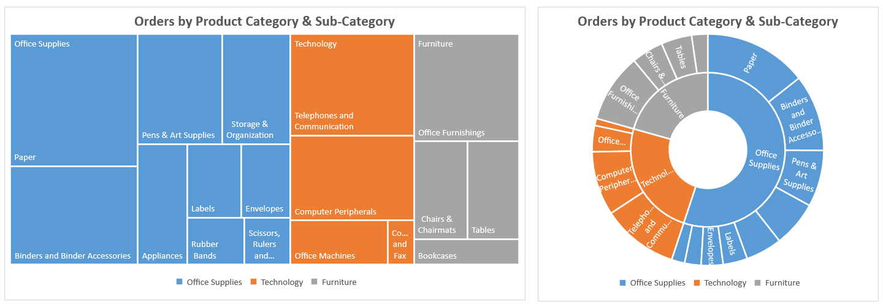
Product Category | Product Sub-Category | Order Quantity | 1) Using the Product data in columns A-C, create a Tree Map to show the distribution of orders by Product Category and Product Sub-Category. Duplicate the chart and change to a Sunburst, then adjust formatting (if necessary) to match the examples below:
Office Supplies | Appliances | 10,901
Office Supplies | Binders and Binder Accessories | 22,992
Office Supplies | Envelopes | 6,578
Office Supplies | Labels | 7,301
Office Supplies | Paper | 30,871
Office Supplies | Pens & Art Supplies | 16,980
Office Supplies | Rubber Bands | 4,920
Office Supplies | Scissors, Rulers and Trimmers | 3,931
Office Supplies | Storage & Organization | 13,798
Technology | Computer Peripherals | 19,222
Technology | Copiers and Fax | 2,128
Technology | Office Machines | 7,856
Technology | Telephones and Communication | 22,969
Furniture | Bookcases | 4,891
Furniture | Chairs & Chairmats | 9,590
Furniture | Office Furnishings | 20,648
Furniture | Tables | 9,195

Heat Maps
Week Ending | Mean Temp (F) | Precip (in) | 1) Apply a Red-White-Blue Color Scale to column B to show cooler temperatures in blue and hotter temperatures in red. When do temperatures start warming up, and when do they cool back down?
2016-01-03 | 36.67 | 0.00
2016-01-10 | 32.71 | 1.39 | 2) Apply a Green-White Color Scale to column C to show days with no/little precipitation in white and days with a lot of precipitation in green. Which weeks had the highest precipitation totals?
2016-01-17 | 32.43 | 1.40
2016-01-24 | 25.14 | 0.48 | BONUS: Apply a custom number format (;;;) to hide the text and only show the color scales. Your final heatmap should look like this:
2016-01-31 | 37.14 | 0.00
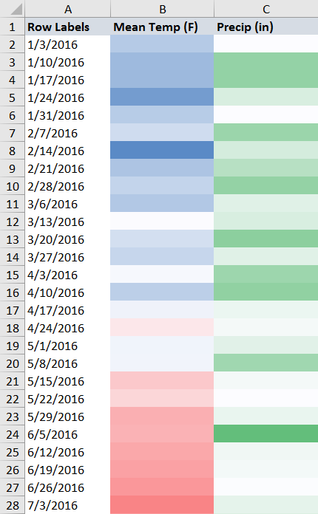
2016-02-07 | 41.29 | 1.30
2016-02-14 | 20.43 | 0.54
2016-02-21 | 35.29 | 0.93
2016-02-28 | 39.29 | 1.40
2016-03-06 | 36.14 | 0.38
2016-03-13 | 49.14 | 0.49
2016-03-20 | 42.00 | 1.50
2016-03-27 | 39.71 | 0.38
2016-04-03 | 48.29 | 1.27
2016-04-10 | 38.00 | 1.44
2016-04-17 | 47.00 | 0.23
2016-04-24 | 53.57 | 0.11
2016-05-01 | 47.29 | 0.37
2016-05-08 | 47.43 | 1.23
2016-05-15 | 59.86 | 0.11
2016-05-22 | 57.14 | 0.00
2016-05-29 | 64.86 | 0.26
2016-06-05 | 64.29 | 2.04
2016-06-12 | 66.43 | 0.17
2016-06-19 | 67.71 | 0.12
2016-06-26 | 69.71 | 0.02
2016-07-03 | 73.71 | 0.31
2016-07-10 | 68.86 | 0.45
2016-07-17 | 76.43 | 0.00
2016-07-24 | 79.00 | 0.01
2016-07-31 | 78.00 | 0.21
2016-08-07 | 73.86 | 0.06
2016-08-14 | 78.29 | 0.76
2016-08-21 | 76.86 | 0.01
2016-08-28 | 75.14 | 0.89
2016-09-04 | 70.71 | 0.02
2016-09-11 | 71.29 | 0.28
2016-09-18 | 67.57 | 0.06
2016-09-25 | 68.00 | 0.67
2016-10-02 | 57.86 | 1.09
2016-10-09 | 58.29 | 1.85
2016-10-16 | 53.71 | 0.00
2016-10-23 | 61.71 | 1.48
2016-10-30 | 47.86 | 1.39
2016-11-06 | 49.29 | 0.17
2016-11-13 | 46.71 | 0.01
2016-11-20 | 50.00 | 1.10
2016-11-27 | 38.43 | 0.08
2016-12-04 | 43.29 | 1.65
2016-12-11 | 34.00 | 0.24
2016-12-18 | 31.71 | 1.06
2016-12-25 | 34.29 | 0.40
2017-01-01 | 40.00 | 0.01

Combo Charts
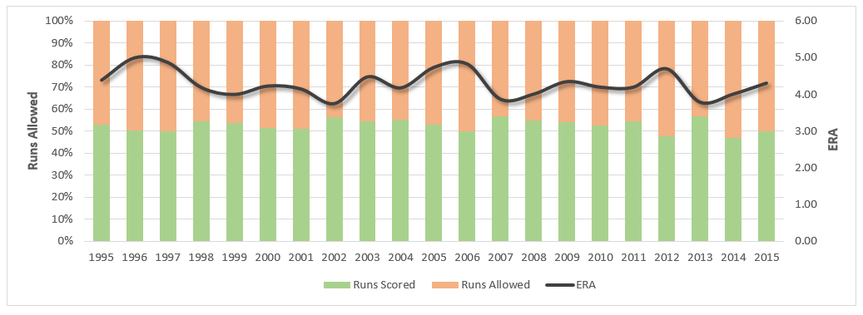
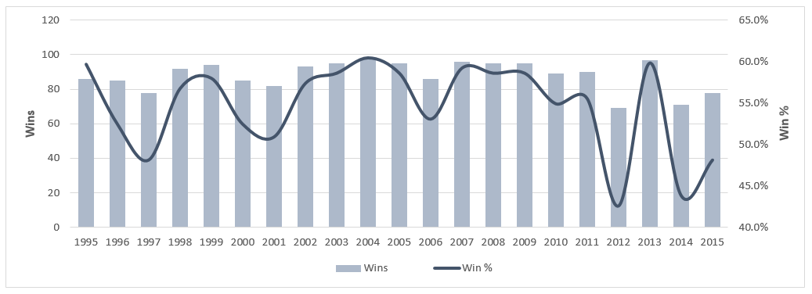
Year | Wins | Win % | Runs Scored | Batting Avg | Runs Allowed | ERA | 1) Create a Combo Chart showing Wins as columns and Win % as a line, and adjust formatting to match the example below:
1995 | 86 | 59.7% | 791 | 0.280 | 698 | 4.39
1996 | 85 | 52.5% | 928 | 0.283 | 921 | 5
1997 | 78 | 48.1% | 851 | 0.291 | 857 | 4.87
1998 | 92 | 56.8% | 876 | 0.280 | 729 | 4.19
1999 | 94 | 58.0% | 836 | 0.278 | 718 | 4
2000 | 85 | 52.5% | 792 | 0.267 | 745 | 4.23
2001 | 82 | 50.9% | 772 | 0.266 | 745 | 4.15
2002 | 93 | 57.4% | 859 | 0.277 | 665 | 3.75
2003 | 95 | 58.6% | 961 | 0.289 | 809 | 4.48
2004 | 98 | 60.5% | 949 | 0.282 | 768 | 4.18
2005 | 95 | 58.6% | 910 | 0.281 | 805 | 4.74
2006 | 86 | 53.1% | 820 | 0.269 | 825 | 4.83
2007 | 96 | 59.3% | 867 | 0.279 | 657 | 3.87
2008 | 95 | 58.6% | 845 | 0.280 | 694 | 4.01
2009 | 95 | 58.6% | 872 | 0.270 | 736 | 4.35
2010 | 89 | 54.9% | 818 | 0.268 | 744 | 4.2
2011 | 90 | 55.6% | 875 | 0.280 | 737 | 4.2
2012 | 69 | 42.6% | 734 | 0.260 | 806 | 4.7 | 2) Create a second Combo Chart showing Runs Scored as an area and Batting Avg as a line, and adjust formatting to match the example below:
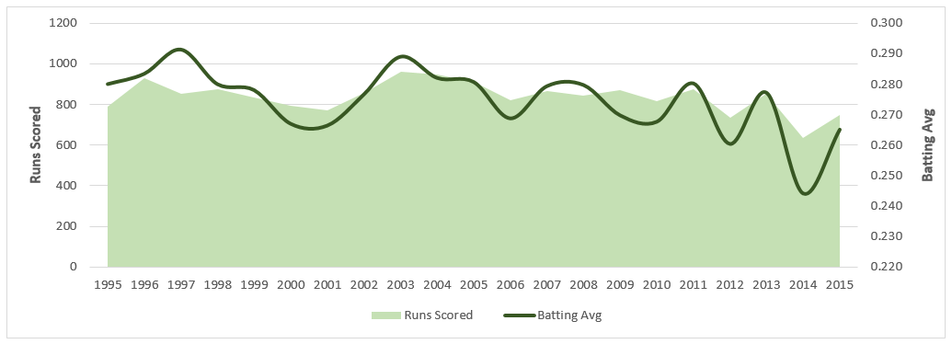
2013 | 97 | 59.9% | 853 | 0.277 | 656 | 3.79
2014 | 71 | 43.8% | 634 | 0.244 | 715 | 4.01
2015 | 78 | 48.1% | 748 | 0.265 | 753 | 4.31

 |  |  |  |  |  |  | 3) Create a third Combo Chart showing Runs Scored and Runs Allowed as a 100% Stacked Column and ERA as a line, and adjust formatting to match the example below:

Funnel Chart
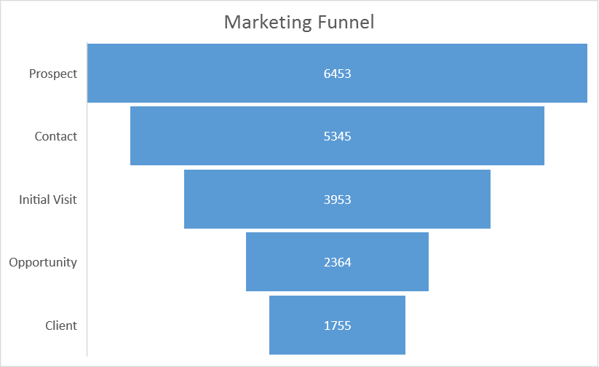
LEVEL | PEOPLE | 1) Create a funnel chart with the given data.
Prospect | 6453
Contact | 5345
Initial Visit | 3953
Opportunity | 2364
Client | 1755

Slope Chart
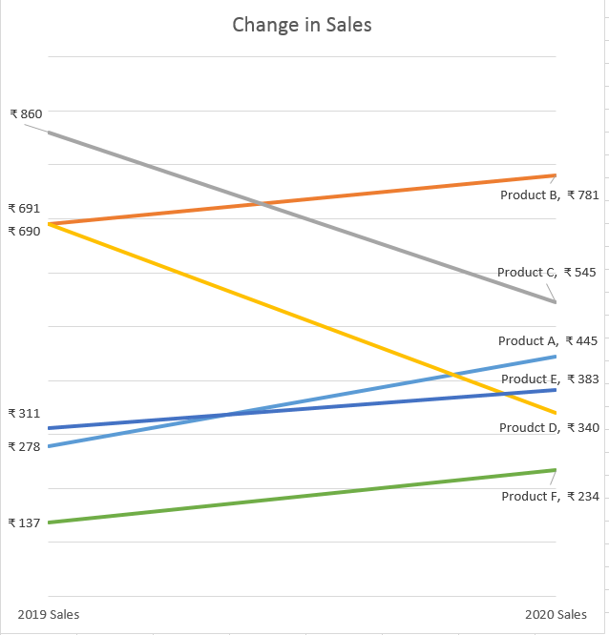
Country | 2019 Sales | 2020 Sales | 1) Create a slope chart with the given data.
Product A | ₹ 278 | ₹ 445
Product B | ₹ 690 | ₹ 781
Product C | ₹ 860 | ₹ 545
Proudct D | ₹ 691 | ₹ 340
Product E | ₹ 311 | ₹ 383
Product F | ₹ 137 | ₹ 234

Dumbell Chart
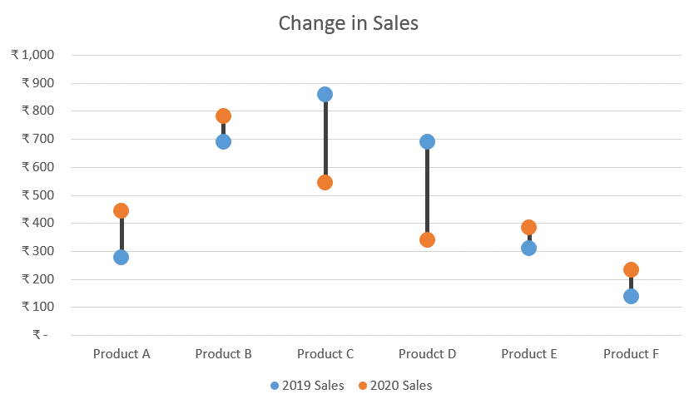
Country | 2019 Sales | 2020 Sales | 1) Create a dumbbell chart with the given data.
Product A | ₹ 278 | ₹ 445
Product B | ₹ 690 | ₹ 781
Product C | ₹ 860 | ₹ 545
Proudct D | ₹ 691 | ₹ 340
Product E | ₹ 311 | ₹ 383
Product F | ₹ 137 | ₹ 234

Highlight Points in Time
Year | Sales |  | Columns
2000 | 1000
2001 | 1347 | 35% |  | Highlight if below | -10% | < Change this & create a chart to highlight it.
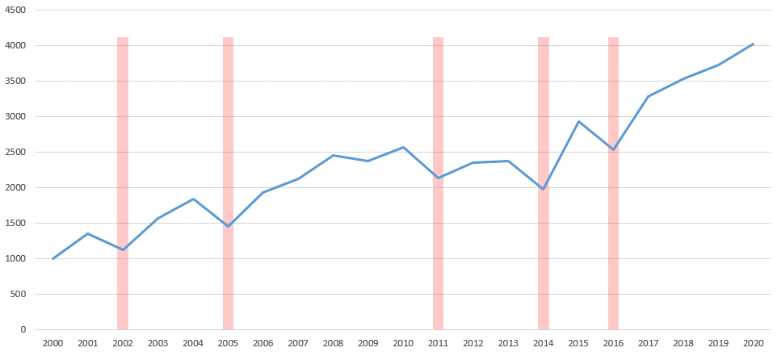
2002 | 1123 | -17% | 4121
2003 | 1563 | 39%
2004 | 1845 | 18%
2005 | 1456 | -21% | 4121
2006 | 1928 | 32%
2007 | 2123 | 10%
2008 | 2453 | 16%
2009 | 2370 | -3%
2010 | 2570 | 8%
2011 | 2134 | -17% | 4121
2012 | 2356 | 10%
2013 | 2380 | 1%
2014 | 1982 | -17% | 4121
2015 | 2932 | 48%
2016 | 2539 | -13% | 4121
2017 | 3287 | 29%
2018 | 3537 | 8%
2019 | 3726 | 5%
2020 | 4021 | 8%

Highlight Min Max
Months | Sales | 1) Create a chart with the given data highlighting max & min points.
Monday | ₹ 1,810
Tuesday | ₹ 4,936
Wednesday | ₹ 2,435
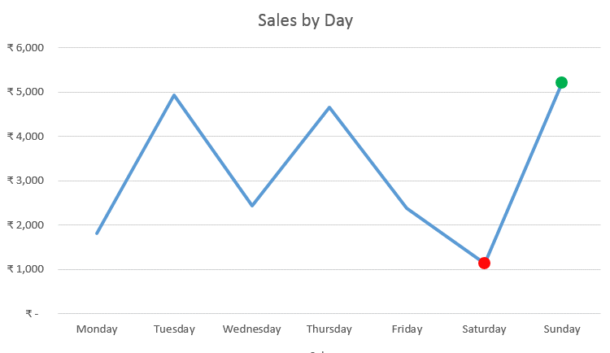
Thursday | ₹ 4,658
Friday | ₹ 2,385
Saturday | ₹ 1,136
Sunday | ₹ 5,213

A-VS-T 1
Salesman | Actual Sales | Target | 1) Create a chart with the given data.
Velva | ₹ 4,838 | ₹ 3,100
Clinton | ₹ 3,484 | ₹ 3,100
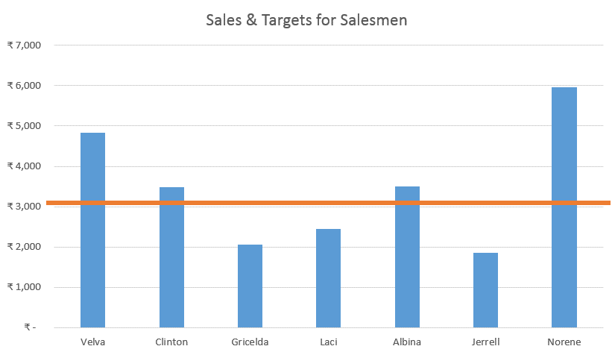
Gricelda | ₹ 2,061 | ₹ 3,100
Laci | ₹ 2,446 | ₹ 3,100
Albina | ₹ 3,507 | ₹ 3,100
Jerrell | ₹ 1,856 | ₹ 3,100
Norene | ₹ 5,955 | ₹ 3,100

A-VS-T 2
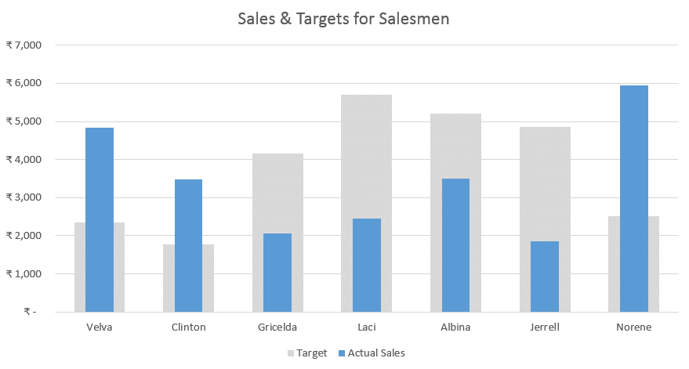
Salesman | Actual Sales | Target | 1) Create a chart with the given data.
Velva | ₹ 4,838 | ₹ 2,353
Clinton | ₹ 3,484 | ₹ 1,766
Gricelda | ₹ 2,061 | ₹ 4,164
Laci | ₹ 2,446 | ₹ 5,693
Albina | ₹ 3,507 | ₹ 5,202
Jerrell | ₹ 1,856 | ₹ 4,852
Norene | ₹ 5,955 | ₹ 2,514

